Data Validation
Data Validation
 | Steps
 | Data Menu
 | Group Data Tools
 | Data Validation

 | Settings | What type of validation you want to apply
 | Input Message | Msg for the user
 | Error Alert | Type of Alert | Information | 11
 |  |  | Warning | 17
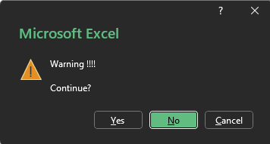
 |  |  | Error | 5

 | We want user to input values between 5 and 10 only

East
West |  | Whole Number | 6
North |  | Decimal | 2.3
South |  | Drop down list | North
 |  | Date | 2012-01-01
 |  | Length | asdfghjklo

