Pivot Chart
 | Divorced | Married | Single | Widowed
Female | 35.33 | 50.13 | 48.00 | 38.00
Male | 41.38 | 45.00 | 48.75 | 38.43
Other | 42.00 | 42.00 | 34.17 | 45.17

Count of Age | Column Labels
Row Labels | Divorced | Married | Single | Widowed | Grand Total
HR | 21 | 25 | 17 | 18 | 81
Grand Total | 21 | 25 | 17 | 18 | 81

 | Analyst | Developer | Engineer | HR Executive | Manager | Sales Executive | Support Staff
Bachelor | 47.67 | 31.25 | 42.50 | 46.67 | 43.67 | 49.00 | 41.00
High School | 41.67 | 38.50 | 43.00 | 37.75 | 39.20 | 60.00 | 50.40
Master | 30.67 | 25.00 |  | 53.50 | 28.50 | 40.00 | 53.00
PhD | 33.00 | 45.33 |  | 42.50 | 46.00 | 43.50 | 56.00

Sheet9


Data Validation
Validation
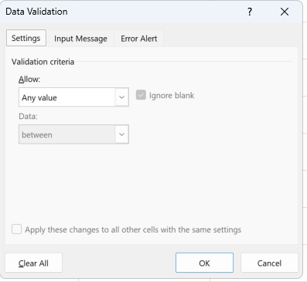
 |  | Settings

 |  | Input Message

 |  | Error Alert | Information | Attempt 1 |  | 4
 |  |  | Warning | Attempt 2 |  | 11
 |  |  | Stop | Attempt 3 |  | 5

 | Settings | Whole | 4
 |  | Decimal | 4.76
 |  | Date | 2025-04-05
 |  | Time | 4
 |  | List | Information
 |  | TextLength | 7894561230
 |  | Custom |  | Mobile | 10
 |  |  |  |  | Numeric
 |  |  |  |  | starts with 6 7 8 9

 |  |  | 7894561230 | 10 | 10 | TRUE | TRUE | Correct Mobile No
 |  |  |  | Numeric | TRUE | TRUE
 |  |  |  | starts with 6 7 8 9 | FALSE | TRUE
 |  |  |  | starts with 6 7 8 9 | TRUE
 |  |  |  | starts with 6 7 8 9 | FALSE
 |  |  |  | starts with 6 7 8 9 | FALSE

