Charts
 |  |  | What is a chart?

 | A chart is a visual representative of data in both columns and rows. Charts are usually used to analyse trends and patterns in data sets.

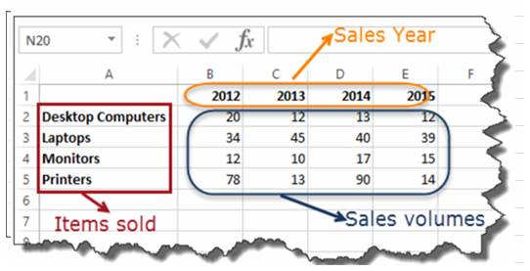
Sample Data
 | Item | 2012 | 2013 | 2014 | 2015
 | Desktop Computers | 20 | 12 | 13 | 12
 | Laptops | 34 | 45 | 40 | 39
 | Monitors | 12 | 10 | 17 | 15
 | Printers | 78 | 13 | 90 | 14

Pie Chart
Item | 2012 | 2013 | 2014 | 2015
Desktop Computers | 20 | 12 | 13 | 12
Laptops | 34 | 45 | 40 | 39
Monitors | 12 | 10 | 17 | 15
Printers | 78 | 13 | 90 | 14

Bar Chart
 |  | Bar Chart

WHEN SHOULD I USE IT?
 | Item | 2012 | 2013 | 2014 | 2015
When you want to compare values across a few categories. The values run horizontally | Desktop Computers | 20 | 12 | 13 | 12
 | Laptops | 34 | 45 | 40 | 39
 | Monitors | 12 | 10 | 17 | 15
 | Printers | 78 | 13 | 90 | 14
Yearly Product Sales
Product Wise Yearly Sales

Stacked Bar Chart

Stacked 100% Bar Chart

Column Chart
 |  | Column chart

WHEN SHOULD I USE IT?
 | Item | 2012 | 2013 | 2014 | 2015
When you want to compare values across a few categories. The values run vertically | Desktop Computers | 20 | 12 | 13 | 12
 | Laptops | 34 | 45 | 40 | 39
 | Monitors | 12 | 10 | 17 | 15
 | Printers | 78 | 13 | 90 | 14

Line Chart
 |  | Line chart

WHEN SHOULD I USE IT?
 | Item | 2012 | 2013 | 2014 | 2015
When you want to visualize trends over a period of time i.e. months, days, years, etc. | Desktop Computers | 20 | 12 | 13 | 12
 | Laptops | 34 | 45 | 40 | 39
 | Monitors | 12 | 10 | 17 | 15
 | Printers | 78 | 13 | 90 | 14

Combo Chart
 |  | Combo Chart

WHEN SHOULD I USE IT?
 | Item | 2012 | 2013 | 2014 | 2015
When you want to highlight different types of information | Desktop Computers | 20 | 12 | 13 | 120
 | Laptops | 34 | 45 | 40 | 390
 | Monitors | 12 | 10 | 17 | 150
 | Printers | 78 | 13 | 90 | 140

 | Month | Sales (₹) | Profit (₹) | Profit Margin (%)
 | January | 50,000 | 10,000 | 20%
 | February | 60,000 | 12,000 | 20%
 | March | 55,000 | 9,900 | 18%
 | April | 70,000 | 14,000 | 20%
 | May | 80,000 | 15,200 | 19%
 | June | 75,000 | 13,500 | 18%

Radar Chart
Customer Satisfaction | Product A | Product B | Product C | 10
Customer Satisfaction | 85 | 80 | 75 | 3500
Product Quality | 90 | 85 | 88 | 2 | 8
Delivery Time | 75 | 70 | 72 | 5840 | 5840
Pricing | 80 | 75 | 78 | 11680 |  | 350400
Support | 95 | 90 | 85 |  |  | 5840
 |  |  |  |  |  | 243.33333333

Scatter plot
Sales | Profit
100 | 10 |  | 1
200 | 20
300 | 30
400 | 40
500 | 50
600 | 60
700 | 70

Sales | Profit
100 | 10 |  | -1
200 | 9
300 | 8
400 | 7
500 | 6
600 | 5
700 | 4

Sales | Profit
100 | 10 |  | 0.85280286542
200 | 20
300 | 30
400 | 5
500 | 50
600 | 60
700 | 70

Sales | Profit
100 | 10
200 | 9
300 | 8 |  | -0.7526446628
400 | 2
500 | 6
600 | 5
700 | 4

Unsupervised
Clustering
K Means

Sales | Profit | net Profit
100 | 10 | 10
200 | 20 | 9
300 | 30 | 8
400 | 5 | 2
500 | 50 | 6
600 | 60 | 5
700 | 70 | 4

 | Heatr Map

