Data Validation
Validation

 | Select the Data range
 | Go to Data Menu
 | Data Tools Group
 | Select Data Validation
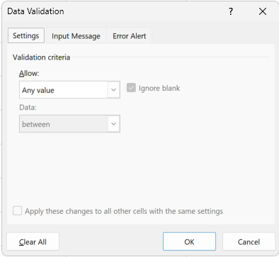
 |  | Input Message

 |  | Error Alert | Information | 1

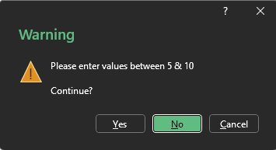
 |  |  | Warning | 1

 |  |  | Stop | 5

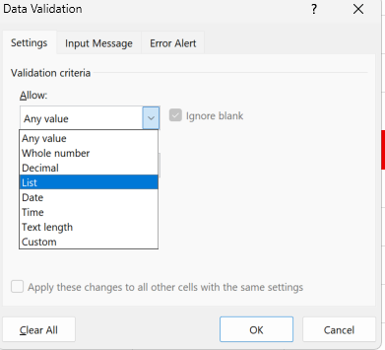
 |  | Setting | Default | Any
 |  |  | Whole No
 |  |  | Decimal | 1.9
 |  |  | List | Noah Johnson
 |  |  | Date
 |  |  | Time
 |  |  | TextLength | Acciojob India

 |  |  | Password
 |  |  | Min Length | 8
 |  |  | Max Length | 16
 |  |  | One UpperCase
 |  |  | One Lower Case
 |  |  | One Special Character
 |  |  | One Number

 |  |  | Mobile no
 |  |  | 10 digits | 7894561230 | TRUE
 |  |  | Start 6 7 8 9 |  | TRUE
 |  |  | Number |  | TRUE

 |  |  |  |  | TRUE

 |  |  | TRUE |  | Valid

