Eg2
Dynamic Retail Dashboard

vba_Eg2
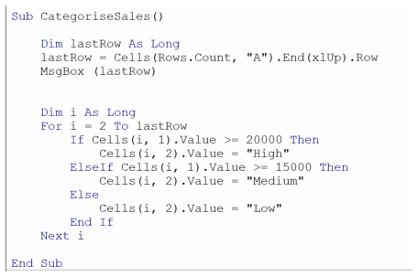
Sales | Category
19090 | Medium
39793 | High
12952 | Low
40018 | High
47068 | High
46388 | High
13225 | Low
18792 | Medium
40291 | High
38106 | High

simple_calculator




