Sheet2
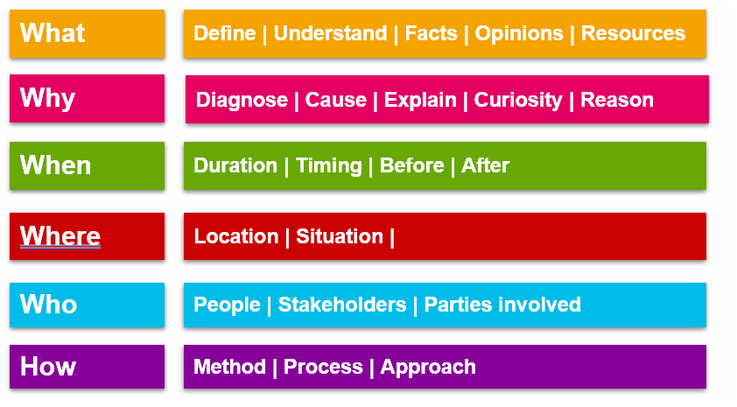
A retail store has seen a 30% drop in sales last month

What products saw decline
Where did it happen—online/offline
When did it start?
Why might it have happened?
Who stopped buying?
How are operations running?

