Charts
 |  |  | What is a chart?

 | A chart is a visual representative of data in both columns and rows. Charts are usually used to analyse trends and patterns in data sets.

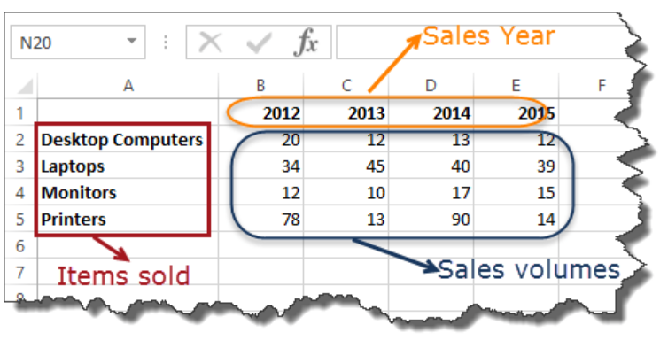
Sample Data
 | Item | 2012 | 2013 | 2014 | 2015
 | Desktop Computers | 20 | 12 | 13 | 12
 | Laptops | 34 | 45 | 40 | 39
 | Monitors | 12 | 10 | 17 | 15
 | Printers | 78 | 13 | 90 | 14

 |  |  |  |  |  | C

