Navigation
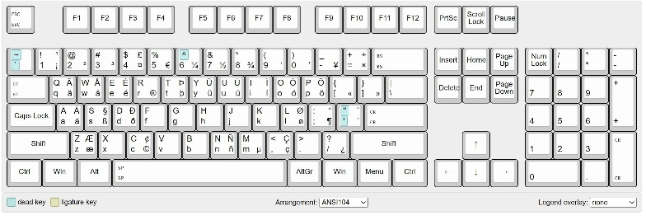
 | Arrow
 |  |  |  |  |  | 1 |  | 1
Select Cells | Shift | Arrow |  |  |  | 2 |  | 2
Multiple Cell | Ctrl | Shift | Arrow |  |  | 3 |  | 3
Navigate to last blank Cell | Ctrl | Arrow |  |  |  | 4 |  | 4
 |  |  |  |  |  |  |  | 1
 |  |  |  |  |  | 1 |  | 2
 |  |  |  |  |  | 2 |  | 3
 |  |  |  |  |  | 3 |  | 4
 |  |  |  |  |  | 4

Select Entire Row | Shift | Space
Select Entire Column | Ctrl | Space

Insert New Column | Ctrl | Space |  | Without Numpad |  |  | Ctrl | Shift | +
 |  |  |  | With Numpad |  |  | Ctrl | +
Insert New Row | Shift | Space |  | Without Numpad |  |  | Ctrl | Shift | +
 |  |  |  | With Numpad |  |  | Ctrl | +

Delete Existing Column | Ctrl | Space |  | Ctrl | -
Delete Existing Row | Shift | Space |  | Ctrl | -
 |  |  |  | Ctrl | -

