Chess
How many ways can you arrange 8 Queens on a chess board such that no Queen attacks any other Queen?

Place 8 Queens on an 8×8 chessboard such that:
No two Queens share the same row
No two Queens share the same column
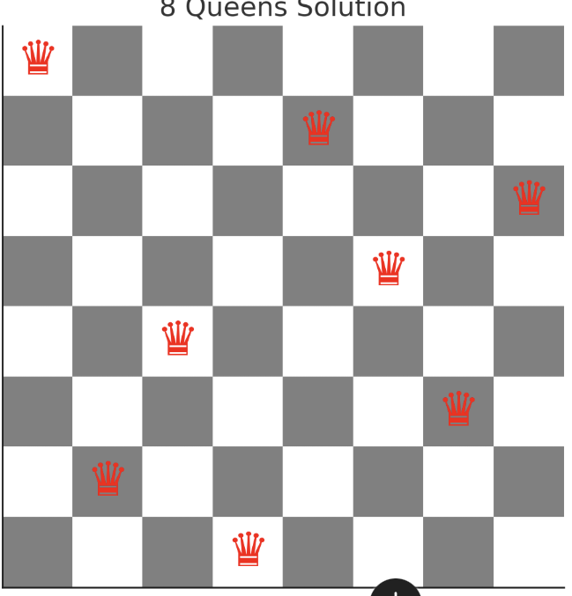
No two Queens share the same diagonal

