Create a Pivot Table
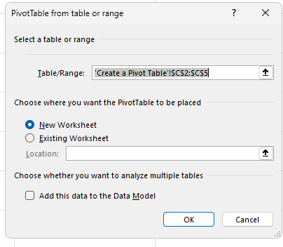
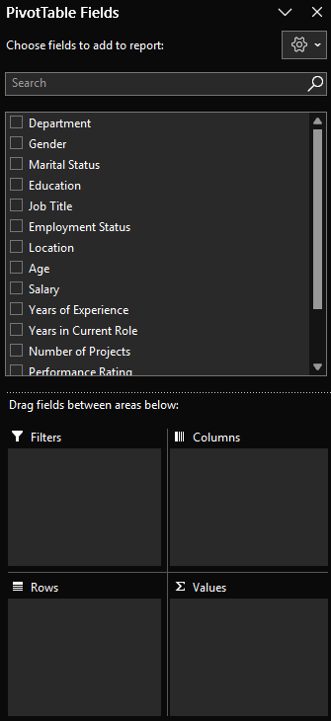
Click On Insert Menu |  |  |  |  | Sections | Filters
Group => Tables |  |  |  |  |  | Columns
Pivot Table Arrow |  |  |  |  |  | Rows
From Table/Range |  |  |  |  |  | Values

Sum of Salary
37114105

Row Labels | Count of Department
Customer Support | 72
Engineering | 64
Finance | 57
HR | 81
IT | 73
Marketing | 71
Sales | 82
Grand Total | 500

Table

Row Labels | Count of Department
Female | 158
Male | 195 |  |  |  | How many Employee have salary greater than 30000 in IT
Other | 147
Grand Total | 500
 |  |  |  |  | How many Female Employee are there in Finance Department

Alt N V T |  |  |  |  | Gender
 |  |  |  |  | Department
Count of Department | Column Labels |  |  |  | Count Of Department
Row Labels | Female | Male | Other | Grand Total
Customer Support | 13 | 29 | 30 | 72
Engineering | 21 | 26 | 17 | 64
Finance | 21 | 20 | 16 | 57
HR | 23 | 37 | 21 | 81
IT | 28 | 29 | 16 | 73
Marketing | 25 | 25 | 21 | 71
Sales | 27 | 29 | 26 | 82
Grand Total | 158 | 195 | 147 | 500

Department | Finance
Gender | Female

Count of Department
21

Pivot Chart
Count of Gender | Column Labels |  |  |  |  |  |  |  | Row Labels | Count of Gender
Row Labels | Analyst | Developer | Engineer | HR Executive | Manager | Sales Executive | Support Staff | Grand Total | Female | 158
Contract | 20 | 26 | 27 | 24 | 26 | 32 | 23 | 178 | Male | 195
Customer Support | 1 | 4 | 6 | 2 | 2 | 6 | 2 | 23 | Other | 147
Engineering | 2 | 2 | 3 | 3 | 5 | 5 | 4 | 24
Finance | 2 | 3 | 4 | 4 | 3 | 4 | 2 | 22
HR | 4 | 5 | 3 | 8 | 4 | 3 | 1 | 28
IT | 5 | 1 | 3 | 3 | 5 | 6 | 7 | 30
Marketing | 2 | 4 | 4 | 3 | 1 | 3 | 4 | 21
Sales | 4 | 7 | 4 | 1 | 6 | 5 | 3 | 30
Intern | 26 | 17 | 23 | 23 | 24 | 19 | 22 | 154
Customer Support | 5 | 5 | 2 | 3 | 3 | 3 | 5 | 26
Engineering | 2 | 2 |  | 3 | 4 | 4 | 2 | 17
Finance | 4 | 3 | 3 | 2 |  | 3 | 3 | 18
HR | 6 | 2 | 4 | 1 | 7 | 5 | 3 | 28
IT | 2 |  | 4 | 3 | 3 | 2 | 3 | 17
Marketing | 4 | 3 | 5 | 4 | 2 |  | 3 | 21
Sales | 3 | 2 | 5 | 7 | 5 | 2 | 3 | 27
Permanent | 23 | 30 | 15 | 26 | 17 | 30 | 27 | 168
Customer Support | 2 | 4 | 2 | 6 | 2 | 5 | 2 | 23
Engineering | 2 | 5 | 2 | 5 | 1 | 3 | 5 | 23
Finance | 2 | 4 | 3 | 1 | 2 | 4 | 1 | 17
HR | 6 | 4 | 1 | 5 | 2 | 2 | 5 | 25
IT | 5 | 2 | 2 | 3 | 3 | 5 | 6 | 26
Marketing | 4 | 7 | 2 | 4 | 2 | 7 | 3 | 29
Sales | 2 | 4 | 3 | 2 | 5 | 4 | 5 | 25
Grand Total | 69 | 73 | 65 | 73 | 67 | 81 | 72 | 500

 | Analyst | Developer | Engineer | HR Executive | Manager | Sales Executive | Support Staff
Customer Support | 1 | 4 | 6 | 2 | 2 | 6 | 2
Engineering | 2 | 2 | 3 | 3 | 5 | 5 | 4
Finance | 2 | 3 | 4 | 4 | 3 | 4 | 2
HR | 4 | 5 | 3 | 8 | 4 | 3 | 1
IT | 5 | 1 | 3 | 3 | 5 | 6 | 7
Marketing | 2 | 4 | 4 | 3 | 1 | 3 | 4
Sales | 4 | 7 | 4 | 1 | 6 | 5 | 3
Customer Support | 5 | 5 | 2 | 3 | 3 | 3 | 5
Engineering | 2 | 2 |  | 3 | 4 | 4 | 2
Finance | 4 | 3 | 3 | 2 |  | 3 | 3
HR | 6 | 2 | 4 | 1 | 7 | 5 | 3
IT | 2 |  | 4 | 3 | 3 | 2 | 3
Marketing | 4 | 3 | 5 | 4 | 2 |  | 3
Sales | 3 | 2 | 5 | 7 | 5 | 2 | 3
Customer Support | 2 | 4 | 2 | 6 | 2 | 5 | 2
Engineering | 2 | 5 | 2 | 5 | 1 | 3 | 5
Finance | 2 | 4 | 3 | 1 | 2 | 4 | 1
HR | 6 | 4 | 1 | 5 | 2 | 2 | 5
IT | 5 | 2 | 2 | 3 | 3 | 5 | 6
Marketing | 4 | 7 | 2 | 4 | 2 | 7 | 3
Sales | 2 | 4 | 3 | 2 | 5 | 4 | 5

HR Department want to understand the joining trends for each department

Date Of Joining |  | Line
Department

Count of Department | Column Labels
Row Labels | Customer Support | Engineering | Finance | HR | IT | Marketing | Sales | Grand Total
1994 |  |  | 1 |  |  |  |  | 1
1995 | 4 | 1 | 4 | 3 | 2 | 1 | 2 | 17
1996 | 2 | 4 | 3 | 4 | 5 | 2 | 2 | 22
1997 |  | 3 | 3 | 1 | 2 | 1 | 2 | 12
1998 | 3 | 2 |  | 4 | 2 | 2 |  | 13
1999 | 1 | 1 | 3 | 3 | 3 | 1 | 1 | 13
2000 | 2 | 2 | 2 | 4 | 1 | 8 | 2 | 21
2001 | 3 |  | 3 |  | 1 | 1 | 4 | 12
2002 |  | 4 | 3 | 3 | 3 | 1 | 1 | 15
2003 | 3 |  | 1 | 4 | 3 | 2 | 2 | 15
2004 |  | 3 | 2 | 2 | 2 | 1 | 2 | 12
2005 | 3 | 2 | 4 | 3 | 2 | 2 | 1 | 17
2006 | 3 | 2 | 1 | 2 | 2 | 3 | 4 | 17
2007 | 3 | 5 |  | 4 | 2 | 4 | 4 | 22
2008 | 3 | 1 | 3 |  | 2 | 1 | 2 | 12
2009 | 2 |  | 2 | 1 | 1 | 2 | 1 | 9
2010 | 2 | 2 | 1 | 3 | 5 | 1 | 5 | 19
2011 | 2 | 1 | 3 | 2 | 4 | 3 | 8 | 23
2012 | 3 | 2 | 2 | 3 | 5 | 3 | 3 | 21
2013 | 4 | 4 | 1 | 3 | 1 | 3 | 5 | 21
2014 | 2 | 2 | 3 | 7 | 3 | 4 | 3 | 24
2015 | 1 | 3 | 3 | 5 | 2 | 2 | 1 | 17
2016 | 5 | 2 | 1 | 2 | 3 | 1 | 3 | 17
2017 | 1 | 2 |  |  | 1 | 5 | 4 | 13
2018 | 6 | 4 | 2 | 4 | 3 | 3 | 6 | 28
2019 | 1 | 3 |  | 3 | 1 | 4 | 2 | 14
2020 | 3 |  | 1 | 2 | 3 | 1 | 3 | 13
2021 | 4 | 2 | 1 | 4 | 3 | 3 | 3 | 20
2022 | 1 | 4 | 1 | 2 | 2 |  | 3 | 13
2023 | 3 |  | 2 | 2 | 2 | 2 | 3 | 14
2024 | 2 | 3 | 1 | 1 | 2 | 4 |  | 13
 | Customer Support | Engineering | Finance | HR | IT | Marketing | Sales
1994 |  |  | 1
1995 | 4 | 1 | 4 | 3 | 2 | 1 | 2
1996 | 2 | 4 | 3 | 4 | 5 | 2 | 2
1997 |  | 3 | 3 | 1 | 2 | 1 | 2
1998 | 3 | 2 |  | 4 | 2 | 2
1999 | 1 | 1 | 3 | 3 | 3 | 1 | 1
2000 | 2 | 2 | 2 | 4 | 1 | 8 | 2
2001 | 3 |  | 3 |  | 1 | 1 | 4
2002 |  | 4 | 3 | 3 | 3 | 1 | 1
2003 | 3 |  | 1 | 4 | 3 | 2 | 2
2004 |  | 3 | 2 | 2 | 2 | 1 | 2
2005 | 3 | 2 | 4 | 3 | 2 | 2 | 1
2006 | 3 | 2 | 1 | 2 | 2 | 3 | 4
2007 | 3 | 5 |  | 4 | 2 | 4 | 4
2008 | 3 | 1 | 3 |  | 2 | 1 | 2
2009 | 2 |  | 2 | 1 | 1 | 2 | 1
2010 | 2 | 2 | 1 | 3 | 5 | 1 | 5
2011 | 2 | 1 | 3 | 2 | 4 | 3 | 8
2012 | 3 | 2 | 2 | 3 | 5 | 3 | 3
2013 | 4 | 4 | 1 | 3 | 1 | 3 | 5
2014 | 2 | 2 | 3 | 7 | 3 | 4 | 3
2015 | 1 | 3 | 3 | 5 | 2 | 2 | 1
2016 | 5 | 2 | 1 | 2 | 3 | 1 | 3
2017 | 1 | 2 |  |  | 1 | 5 | 4
2018 | 6 | 4 | 2 | 4 | 3 | 3 | 6
2019 | 1 | 3 |  | 3 | 1 | 4 | 2
2020 | 3 |  | 1 | 2 | 3 | 1 | 3
2021 | 4 | 2 | 1 | 4 | 3 | 3 | 3
2022 | 1 | 4 | 1 | 2 | 2 |  | 3
2023 | 3 |  | 2 | 2 | 2 | 2 | 3
2024 | 2 | 3 | 1 | 1 | 2 | 4

