Mode()
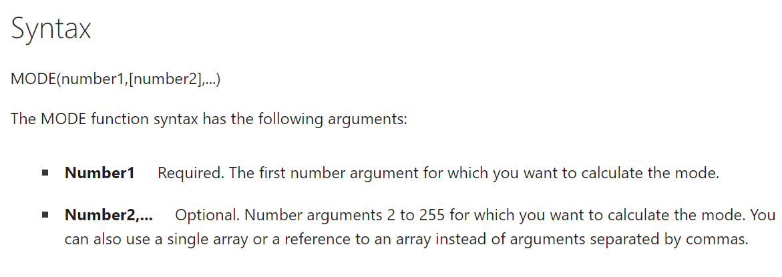
Data Used in Formula
5
7
7
7
5
5

Formula | Result | Description
 | 5 | Return the mode value from the selected array
 | 5
 | 7

Max()
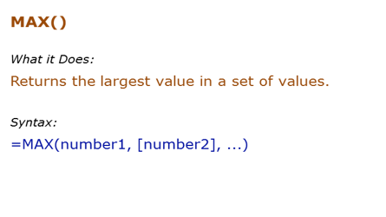
Data Used in Formula
1 |  | 7 | #DIV/0!
5 |  | 7
7 |  | 7
 |  | #DIV/0!
a
#DIV/0!
9

Formula | Result | Description
 |  | Returns the maximum value from the list
 |  | MAX function ignores blanks
 |  | If there is an error in the list, MAX returns an error

Min()
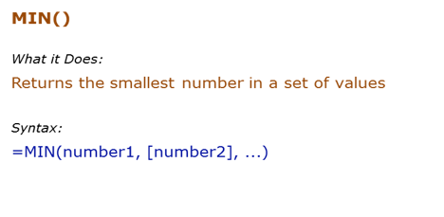
Data Used in Formula |  | 1
1
5
7

#DIV/0!
9

Formula | Result | Description
 |  | Returns the minimum value from the list
 |  | MIN function ignores blanks (or text)
 |  | If there is an error in the list, MIN returns an error

Small()
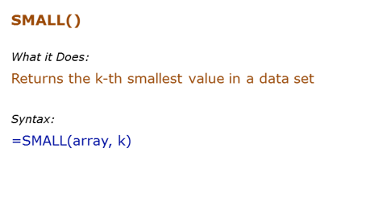
Data Used in Formula
1 |  | 1
5 |  | 5
7

#DIV/0!
9

Formula | Result | Description
 | #DIV/0! | Returns the first Smallest number from the list
 | #DIV/0! | Returns the second Smallest number from the list
 |  | SMALL function ignores blanks (or text)

Large()
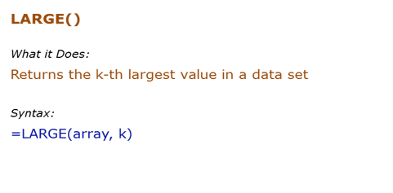
Data Used in Formula
1
5
7

#DIV/0!
9

Formula | Result | Description
 |  | Returns the first largest number from the list
 |  | Returns the second largest number from the list
 |  | LARGE function ignores blanks (or text)

Percentile()
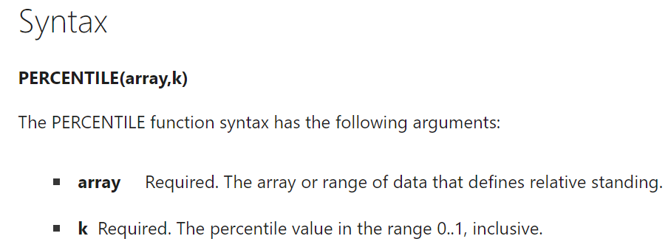
Data Used in Formula
1
5
7

Formula | Result | Description
 |  | Return the 50% percentile value from the list given above

Rank()
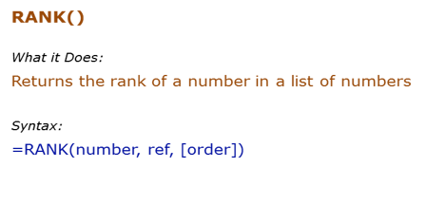
Data Used in Formula
1 | 4
3 | 2
3 | 2
6 | 1

Formula | Result | Description
 |  | Returns the rank of 1 from the list.

1 | 6 | 1
2 | 3 | 2
2 | 3 | 2
2 | 3 | 2
3 | 2 | 5
4 | 1 | 6

