Data Validation
 | Data |  |  | a | Data |  | Arpit
 | Validation |  |  | b | Information |  | Shivani
 |  |  |  | c |  |  | Siraj
 | Data is correct or not |  |  | 1 |  |  | Acciojob
 | Password |  |  | 2 |  |  | Data Analytics
 |  |  |  | 3 |  |  | Excel
 |  |  | 25
 |  |  | Twenty Five |  | Siraj is Teaching Excel in Acciojob, Shivani and Arpit enrolled for Data Analytics.

 | Deepak
 | Shubham Kumar
 | Naveen
 | Bipin
 | Muthuram

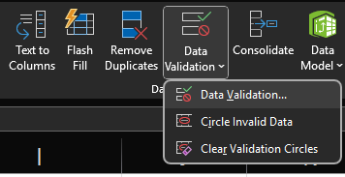
Menu | Data
Group
 | Data Tools
Command | Data Validation
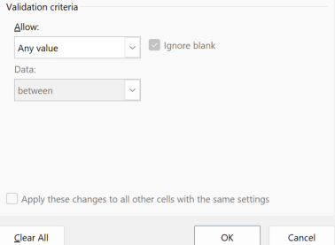
 | Settings

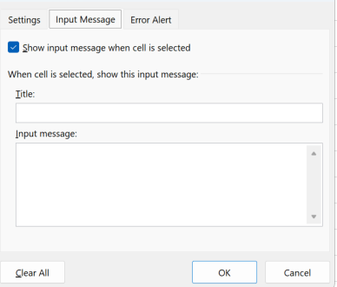
 | Input Message |  |  |  |  | 1

 | Error Alert | Information |  |  | Warning |  |  |  | Stop

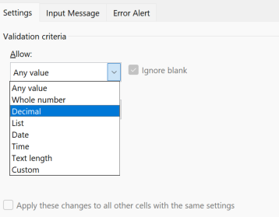
 |  |  |  |  |  |  | Information | Warning | Stop
 | Settings |  |  |  | Any Value |  |  |  |  |  | Sunday
 |  |  |  |  | Whole Number |  | 15 | 18 | 7 |  | Monday
 |  |  |  |  | Decimal |  | 5.1 |  |  |  | Tuesday
 |  |  |  |  | List |  |  |  | Saturday |  | Wednesday
 |  |  |  |  | Date |  |  |  |  |  | Thursday
 |  |  |  |  | Time |  |  |  |  |  | Friday
 |  |  |  |  | TextLength |  |  |  |  |  | Saturday
 |  |  |  |  | Custom

 |  | Mobile No | Numbers |  | 9874561230 |  | TRUE |  | TRUE
 |  |  | 10 |  | 9874561230 |  | 10
 |  |  | 9 |  | 9874561230 |  | TRUE
 |  |  |  |  | 9874561230
 |  |  |  |  | 9874561230 |  |  | Development |  | CI|CD
 |  |  |  |  | 9874561230 |  |  | UAT
 |  |  |  |  | 9874561230 |  |  | SIT
 |  |  |  |  | 9874561230 |  |  | Production

Practise
Management wants to understand the salary distribution among employees with different levels of education. How can this be shown?

 | Values | Salary
 | Rows | Education

 | Row Labels | Sum of Salary |  | Education | Sum of Salary
 | Bachelor | 9524943 |  | Bachelor | 9524943
 | High School | 10411501 |  | High School | 10411501
 |  |  |  | Master | 9242924
 |  |  |  | PhD | 7934737

HR needs a report on the number of employees in each marital status group in different departments. How would you create this report?

Marital Status |  | Count of Department | Column Labels
Department |  | Row Labels | Single | Grand Total
Count of Department |  | IT | 1 | 1
 |  | Grand Total | 1 | 1

The finance department wants to analyze the variance in salary distribution among employees in each department. How would you set up a comparison to measure salary variability?

Department |  | Row Labels | Average of Salary
Salary |  | IT | ₹ 74,695.00
 |  | Grand Total | 74695

The HR department wants to identify if older employees (above 45) tend to complete fewer projects than younger employees. How would you analyze this?

Age | Rows |  | Row Labels | Sum of Number of Projects
No Of Projects | Values |  | 22-45 | 2081
 |  |  | 46-69 | 1675
 |  |  | Grand Total | 3756

How many Projects are completed Yearly

No Of Projects |  | Row Labels | Sum of Number of Projects | Sum of Number of Projects2 | Sum of Number of Projects3 | Sum of Number of Projects4
Year Of Date Of Joining |  | 2014 | 191 | 191 | 5.09%
 |  | 1996 | 187 | 378 | 4.98% | -4
 |  | 2000 | 184 | 562 | 4.90% | -7
 |  | 2007 | 171 | 733 | 4.55% | -20
 |  | 2012 | 170 | 903 | 4.53% | -21
 |  | 2013 | 166 | 1069 | 4.42% | -25
 |  | 2011 | 164 | 1233 | 4.37% | -27
 |  | 2010 | 164 | 1397 | 4.37% | -27
 |  | 2016 | 136 | 1533 | 3.62% | -55
 |  | 2018 | 131 | 1664 | 3.49% | -60
 |  | 2002 | 131 | 1795 | 3.49% | -60
 |  | 1995 | 131 | 1926 | 3.49% | -60
 |  | 2022 | 126 | 2052 | 3.35% | -65
 |  | 2006 | 120 | 2172 | 3.19% | -71
 |  | 2003 | 118 | 2290 | 3.14% | -73
 |  | 2021 | 115 | 2405 | 3.06% | -76
 |  | 2020 | 115 | 2520 | 3.06% | -76
 |  | 2017 | 110 | 2630 | 2.93% | -81
 |  | 2015 | 110 | 2740 | 2.93% | -81
 |  | 2023 | 107 | 2847 | 2.85% | -84
 |  | 2008 | 104 | 2951 | 2.77% | -87
 |  | 1999 | 99 | 3050 | 2.64% | -92
 |  | 2005 | 98 | 3148 | 2.61% | -93
 |  | 2001 | 97 | 3245 | 2.58% | -94
 |  | 2004 | 97 | 3342 | 2.58% | -94
 |  | 1998 | 89 | 3431 | 2.37% | -102
 |  | 2019 | 86 | 3517 | 2.29% | -105
 |  | 1997 | 81 | 3598 | 2.16% | -110
 |  | 2009 | 75 | 3673 | 2.00% | -116
 |  | 2024 | 73 | 3746 | 1.94% | -118
 |  | 1994 | 10 | 3756 | 0.27% | -181
 |  | Grand Total | 3756 |  | 100.00%

 | Calculated Field

 | I want to give Bonus of 5 % on Salary |  |  |  | TDS => 10%

 | Row Labels | Sum of Salary | Sum of Bonus | Sum of TDS
 | Customer Support | 5234119 | 261705.95 | 523411.9
 | Engineering | 4827473 | 241373.65 | 482747.3
 | Finance | 4536135 | 226806.75 | 453613.5
 | HR | 6079030 | 303951.5 | 607903
 | IT | 5349648 | 267482.4 | 534964.8
 | Marketing | 5459033 | 272951.65 | 545903.3
 | Sales | 5628667 | 281433.35 | 562866.7
 | Grand Total | 37114105 | 1855705.25 | 3711410.5

 | Row Labels | Sum of Salary | Sum of Bonus | Sum of TDS
 | Bachelor | 9524943 | 476247.15 | 952494.3
 | High School | 10411501 | 520575.05 | 1041150.1
 | Master | 9242924 | 462146.2 | 924292.4
 | PhD | 7934737 | 396736.85 | 793473.7
 | Grand Total | 37114105 | 1855705.25 | 3711410.5

The HR team wants to evaluate which location has the most permanent employees with a PhD who have completed more than 10 projects. How would you set up this analysis?

Location
Employement Status |  |  |  |  | Education | PhD
Education |  | Education | PhD |  | Employment Status | Permanent
No Of Projects |  | Employment Status | Permanent |  | Number of Projects | (Multiple Items)

 |  | Row Labels | Sum of Number of Projects |  | Row Labels | Count of Employment Status
 |  | Austin | 34 |  | Boston | 3
 |  | Boston | 48
 |  | Chicago | 40
 |  | New York | 54
 |  | San Francisco | 58
 |  | Seattle | 68
 |  | Grand Total | 302

