LEFT()
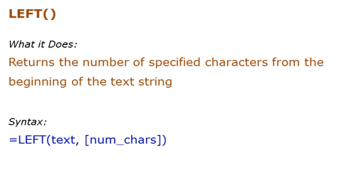
Data Used in Formula
Acciojobs

Formula | Result | Description
 | He | Extract 2 characters from the left of the text Hello
 | He | Extract 2 characters from the left of the text Hello
 | A | If the number of characters are not specified, the first character from the left is extracted
 | Siraj | If the number of characters specified is greater than the length of the text, entire text is returned

RIGHT()
Data Used in Formula
Acciojobs
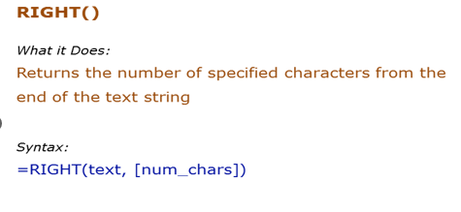

Formula | Result | Description
 | lo | Extract 2 characters from the right of the text Hello
 |  | Extract 2 characters from the right of the text Hello
 | h | If the number of characters are not specified, the first character from the right is extracted
 | Acciojobs | If the number of characters specified is greater than the length of the text, entire text is returned

MID()
Data Used in Formula
Acciojobs
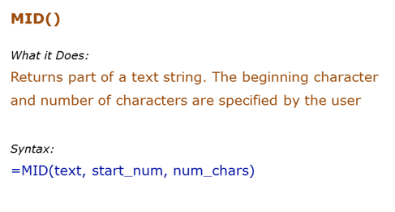

Formula | Result | Description
 | Ac | Extracts 2 characters beginning from the 1st character
 |  | Extracts 5 characters beginning from the 7th character
 |  | If the start number is larger than the length of the string, formula returns a blank ("")
 |  | If the number of characters specified are larger than the total number of characters, the entire string is returned (beginning from the starting number)

LEN()
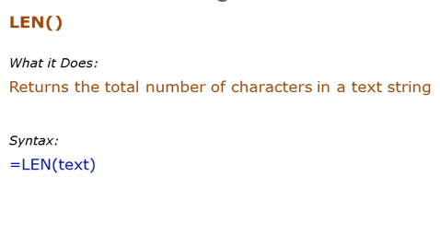
Data Used in Formula
Hello | 123

Formula | Result | Description
 |  | Returns the number of characters in the text Hello
 |  | Returns the number of characters in the text Hello (which is in cell A2)
 |  | Returns the number of characters for numbers as well
 |  | Returns the number of characters for numbers as well

LOWER
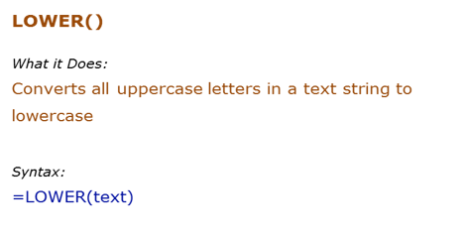
Data Used in Formula
HELLO | HelLo

Formula | Result | Description
 |  | All upper case alphabets are converted to lower case
 |  | All upper case alphabets (in cell A2) are converted to lower case

 | All Upper Case Alphabets Are Converted To Lower Case

 | Acciojdklo;fan;ojldsnva;asnvklno;1213214134r31kl4nlk

 | acciojdklo;fan;ojldsnva;asnvklno;1213214134r31kl4nlk

 | ACCIOJDKLO;FAN;OJLDSNVA;ASNVKLNO;1213214134R31KL4NLK

PROPER()
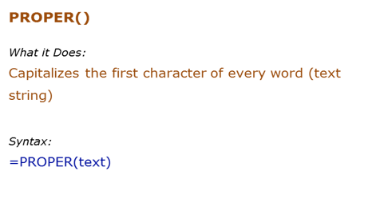
Data Used in Formula
acciOjobS
It's Awesome

Formula | Result | Description
 |  | Capitalizes the first alphabet of the word, and rest all are converted to lower case
 |  | Capitalizes the first alphabet of each word, and rest all are converted to lower case

UPPER()
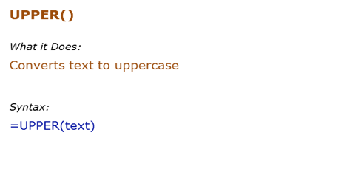
Data Used in Formula
hello | HelLo

Formula | Result | Description
 |  | All lower case alphabets are converted to upper case
 |  | All lower case alphabets (in cell B3) are converted to upper case

FIND()
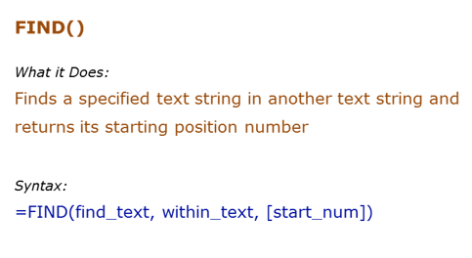
Data Used in Formula
Excel | E
Excellent Excel

Formula | Result | Description
 | 4 | Finds the first occurrence of "E" in Excel. Since we did not give the start number, it used the default value of 1
 |  | Finds the first occurrence of "E" in Excel. Specified the start number as 1 in this case.

 | 1
 | #VALUE!
 | 11

REPLACE()
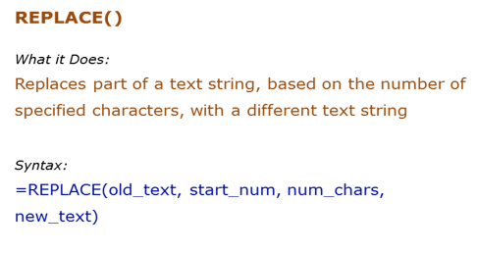
Data Used in Formula
abcdefghij
acciojobs@gmail.com

Formula | Result | Description
 | abcd*ij | Starts from the 5th character ("e") and replace 4 characters (efgh)with an asterisk (*)
 | acciojobs@ | Removes the "gmail.com" with a blank

=REPLACE(B4,11,5,"outlook") | acciojobs@outlook.com
=SUBSTITUTE(B4,"gmail","outlook") | acciojobs@outlook.com

acciojobs@gmail.com@gmail@gmail

 | acciojobs@outlook.com@gmail@gmail

 | acciojobs@outlook.com@outlook@outlook

 | acciojobs@gmail.com@outlook@gmail

 | acciojobs@gmail.com@outlook@gmail | acciojobs@gmail.com@gmail@outlook

SUBSTITUTE()
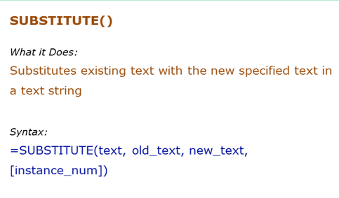
Data Used in Formula
abcdabcdabcd

Formula | Result | Description
=SUBSTITUTE(B3,"a","Z",1) |  | Replaced the first "a" by "Z".
 | abcdabcdZbcd | Replaced the third "a" by "Z".

INT function
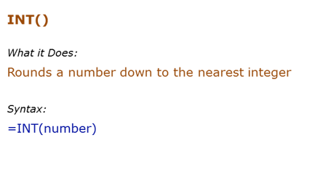
Data Used in Formula
12.2 |  | 12 | 11
12.9 |  | 12
-12.2 |  | -13

Formula | Result | Description
 |  | Returns the integer part
 |  | Returns the integer part
 |  | If negative, returns the integer part by rounding away from 0

 | -3
 | -2

Rand()
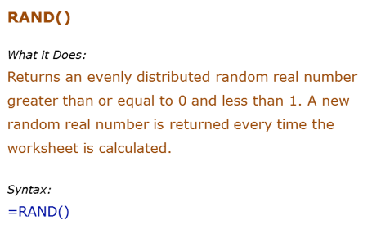
Formula | Result | Description
 |  | Returns a random number between 0 and 1. It changes when ever there is any calculation or when F9 is pressed

 |  |  | 0.83806208383

 |  |  |  | 4

Round()
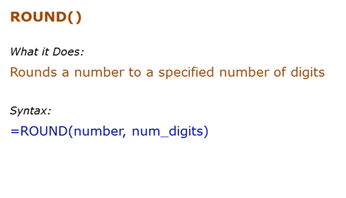
Formula | Result | Description
=ROUND(500.51,1) |  | Rounds to 1 decimal place | 4512.1233
 | 500.6 | Rounds to 1 decimal place

