Data Validation
Validation | Rules
 | Check The Accuracy

 | Data validation can help control what a user can enter into a cell. You can use data validation to make sure a value is a number, a date, or to present a dropdown menu with predefined choices to a user.

Steps

 |  | Data Validation | Settings
Data Menu |  |  | Input Message
Data Tools Group |  |  | Error Alert
Data Validation

 |  | Input Message

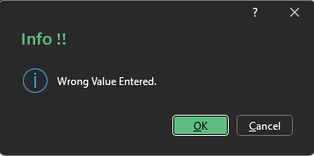
 |  | Error Alert | Information |  |  | 11

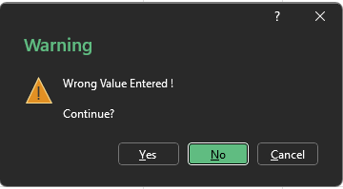
 |  |  | Warning |  |  | 15

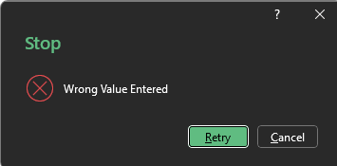
 |  |  | Stop |  |  | 6

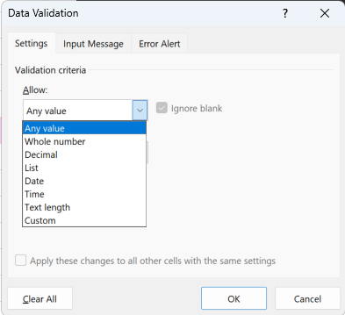
 |  | Settings | Any Value
 |  |  | Whole No
 |  |  | Decimal
 |  |  | List
 |  |  | Date
 |  |  | Time
 |  |  | Text Length
 |  |  | Custom

1
2 |  |  | Whole No | Bonus | Info | 16
3 |  |  |  | `2-15 | Warning | 17
4 |  |  |  |  | Stop | 5
1234

 |  |  | Decimal |  | Info | 2.5

 |  |  | List |  |  | Finance

 |  | Gender | Education | Job Title | Employment Status | Not Contract | Location | Age | Salary | Years of Experience | Years in Current Role | Number of Projects | Performance Rating | Work Hours Per Week | Date of Joining | Date of Joining
 | 21 | Other | Master | HR Executive | Intern | TRUE | Denver | 49 | 32169 | 8 | 3 | 2 | 4 | 51

 |  | Text Length | 10 | 7894561230 |  | TRUE

