LEFT()
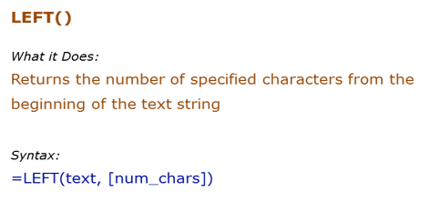
Data Used in Formula
Acciojobs

Formula | Result | Description
 |  | Extract 2 characters from the left of the text Hello
 |  | Extract 2 characters from the left of the text Hello
 |  | If the number of characters are not specified, the first character from the left is extracted
 |  | If the number of characters specified is greater than the length of the text, entire text is returned

RIGHT()
Data Used in Formula
Acciojobs
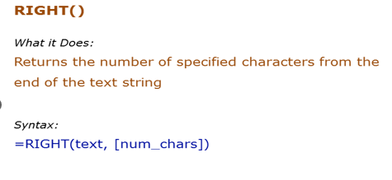

Formula | Result | Description
 |  | Extract 2 characters from the right of the text Hello
 |  | Extract 2 characters from the right of the text Hello
 |  | If the number of characters are not specified, the first character from the right is extracted
 |  | If the number of characters specified is greater than the length of the text, entire text is returned

MID()
Data Used in Formula
Acciojobs
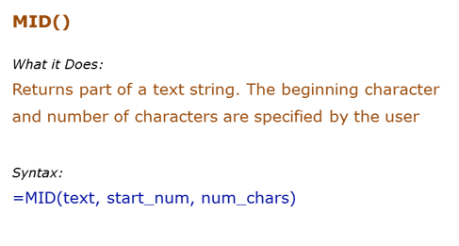

Formula | Result | Description
 |  | Extracts 2 characters beginning from the 1st character
 |  | Extracts 5 characters beginning from the 7th character
 |  | If the start number is larger than the length of the string, formula returns a blank ("")
 |  | If the number of characters specified are larger than the total number of characters, the entire string is returned (beginning from the starting number)

LOWER
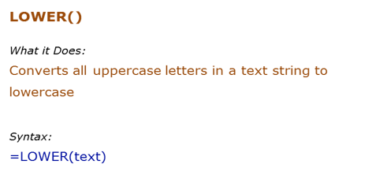
Data Used in Formula
HELLO | HelLo

Formula | Result | Description
 | hello | All upper case alphabets are converted to lower case
 | HELLO | All upper case alphabets (in cell A2) are converted to lower case
 | Hello

PROPER()
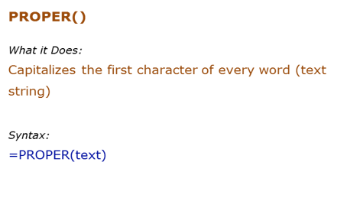
Data Used in Formula
acciOjobS
It's Awesome

Formula | Result | Description
 |  | Capitalizes the first alphabet of the word, and rest all are converted to lower case
 |  | Capitalizes the first alphabet of each word, and rest all are converted to lower case

UPPER()
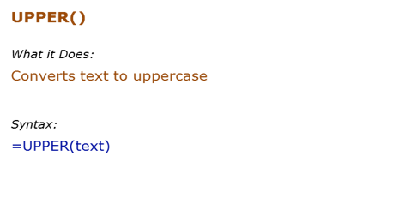
Data Used in Formula
hello | HelLo

Formula | Result | Description
 |  | All lower case alphabets are converted to upper case
 |  | All lower case alphabets (in cell B3) are converted to upper case

LEN()
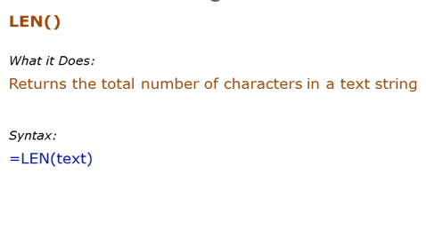
Data Used in Formula
Hello | 123

Formula | Result | Description
 |  | Returns the number of characters in the text Hello
 |  | Returns the number of characters in the text Hello (which is in cell A2)
 |  | Returns the number of characters for numbers as well
 |  | Returns the number of characters for numbers as well

 |  |  | Accio 12456789
 |  |  | 14

FIND()
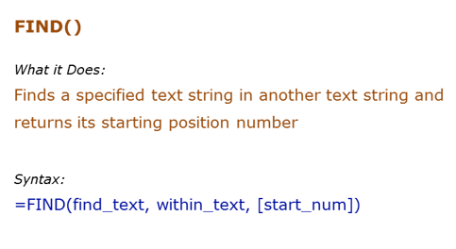
Data Used in Formula
Excel | E
Excellent Excel

Formula | Result | Description
 |  | Finds the first occurrence of "E" in Excel. Since we did not give the start number, it used the default value of 1
 |  | Finds the first occurrence of "E" in Excel. Specified the start number as 1 in this case.

 |  |  | 4
 |  |  | #VALUE!

 |  |  | 2
 |  |  | 3

 |  |  | abababccd

 |  |  | 1
 |  |  | 3
 |  |  | 5

REPLACE()
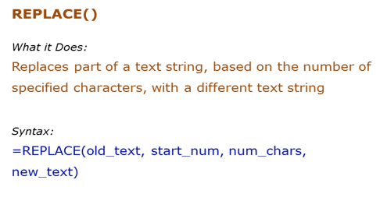
Data Used in Formula
abcdefghij
acciojobs@gmail.com

Formula | Result | Description
 | abcd*ij | Starts from the 5th character ("e") and replace 4 characters (efgh)with an asterisk (*)
 | acciojobs@ | Removes the "gmail.com" with a blank

 | 10

SUBSTITUTE()
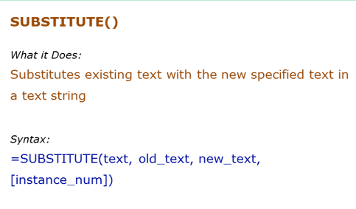
Data Used in Formula
abcdabcdabcd

Formula | Result | Description
 | Zbcdabcdabcd | Replaced the first "a" by "Z".
 | abcdabcdZbcd | Replaced the third "a" by "Z".
 | ZbcdZbcdZbcd

INT function
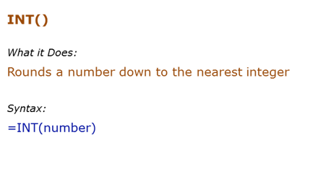
Data Used in Formula
12.2 |  | 12 | 12
12.9 |  | 13 | 12
-12.2 |  | -12 | -13

Formula | Result | Description
 |  | Returns the integer part
 |  | Returns the integer part
 |  | If negative, returns the integer part by rounding away from 0

 |  | -2.5 | -3
 |  | -1.1 | -2
 |  | 1.9 | 1
 |  | 1.3 | 1
 |  | 4.1 | 4
 |  | 4.9 | 4

Rand()
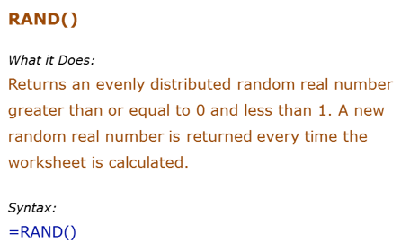
Formula | Result | Description
 |  | Returns a random number between 0 and 1. It changes when ever there is any calculation or when F9 is pressed

 |  | 0.84087184714

 | 19
 | 20.270227805 | 16.378449838
 | 23.548381276 | 18.923714393

 | 5 | 7 | 7
 | 6 | 10 | 8
 | 10 | 7 | 8
 | 9 | 9 | 10
 | 9 | 6 | 8

Round()
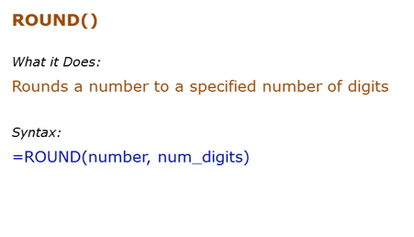
Formula | Result | Description
=ROUND(500.51,1) |  | Rounds to 1 decimal place
 |  | Rounds to 1 decimal place

123456.12346 |  | 123456.12
 |  | 123456.12346

