Index Match
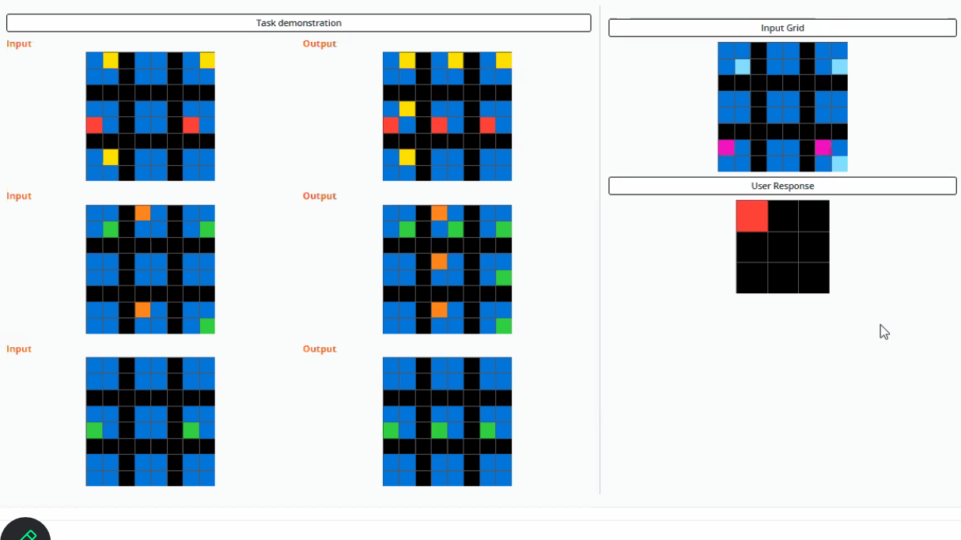
Vlookup | 150 Columns
Hlookup
Xlookup
Index Match
Offset

