Components Of Excel
Menu / Tab

Ribbon

Group
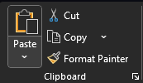
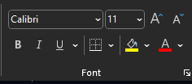

Command

Name Box

Formulae Bar

Siraj |  | 7

Columns | Vertical Space | Alphabets
Rows | Horizontal | Numbers

Cell | Intersection of Row and Column
 | Column Alphabet & Row Numer

Cell Addres | C45

Search Box

Sheets
 |  |  | 1
Status Bar |  |  | 2
 |  |  | 3
 |  |  | 4

 |  |  | a | 1 |  | Text
 |  |  |  |  |  | Numeric
 |  |  |  | 2025-03-16 |  | Date

 |  |  |  | 0 | 0
 |  |  |  | 1 | 1900-01-01
 |  |  |  | 2 | 1900-01-02
 |  |  |  | -1 | -1
 |  |  |  |  | 31-12-1889
 |  |  |  | 45732.00 | 2025-03-16
 |  |  |  | 45733.00 | 2025-03-17
 |  |  |  | 2958465.00 | 2958465 | 2958465
 |  |  |  |  | 01-01-10000

Quick Access Bar | Fav Bar | Bookmark
Customize our Ribbon

Auto Fill
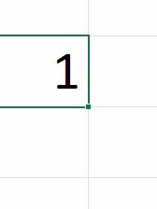
1 |  | 1
1 |  | 2 |  | 5
1 |  | 3 |  | 10
1 |  | 4 |  | 15
 |  | 5 |  | 20
 |  | 6 |  | 25

 |  |  |  |  |  | -5
 |  |  |  |  |  | 0
 |  |  | 5 |  | 5 | 5 | 5
 |  |  | 10 |  | 10 | 10 | 10
 |  |  |  |  |  | 15
 |  |  |  |  |  | 20

 |  |  | 5 | 10
 | -5 | 0 | 5 | 10 | 15 | 20
 |  |  | 5 | 10

Navigation
 |  |  |  |  | 1 | 1 | 1 | 1 | 6 | 11 | 16 | 21 | 26 | 31 | 36 | 41 | 46 | 51 | 56 | 61 | 66 | 71 | 76 | 81 | 86 | 91 | 96
 |  |  |  |  | 1 | 3 | 2
 |  |  |  |  | 1 | 5 | 3 | 1 | 5
 |  |  |  |  | 1 | 7 | 4 | -4 | 10
 |  | Shift Arrow |  |  | 1 | 9 | 5 | -9 | 15
 |  |  |  |  | 1 | 11 | 6 | -14
 |  |  |  |  | 1 | 13 | 7 | -19
 |  | 1 |  |  | 1 | 15 | 8 | -24
 |  | 2 |  |  | 1 | 17 | 9
 |  | 3 |  |  | 1 | 19 | 10
 |  | 4 |  |  | 1 | 21 | 11
 |  | 5 |  |  | 1 | 23 | 12 |  | 1
 |  |  |  |  | 1 | 25 | 13 |  | 1
 |  | 10 |  |  |  |  | 14 |  | 1
 |  | 15 |  |  |  |  | 15 |  | 1
 |  | 20 |  |  |  |  | 16 |  | 1 | 1 | 1 | 1
 |  | 25 |  |  |  |  | 17 |  | 1
 |  | 30 |  |  |  |  | 18 |  | 1
 |  | 35 |  |  |  |  | 19 |  | 1
 |  | 40 |  |  |  |  | 20 |  | 1
 |  | 45 |  |  |  |  | 21 |  | 1
 |  | 50 |  |  |  |  | 22 |  | 1
 |  | 55 |  |  |  |  | 23 |  | 1
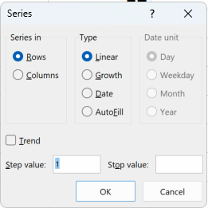
 |  |  |  |  |  |  | 24 |  | 1
 |  |  |  |  |  |  | 25 |  | 1
 |  | 500 |  |  |  |  | 26
 |  | 400 |  |  |  |  | 27
 |  | 300 |  |  |  |  | 28
 |  | 200 |  |  |  |  | 29
 |  | 100 |  |  |  |  | 30
 |  | 0 |  |  |  |  | 31
 |  | -100 |  |  |  |  | 32
 |  | -200 |  |  |  |  | 33
 |  | -300 |  |  |  |  | 34
 |  | -400 |  |  |  |  | 35
 |  |  |  |  |  |  | 36
 |  | 5 | 10 | 15 | 20 | 25 | 37
 |  |  |  |  |  |  | 38
 |  |  |  |  | 1 |  | 39
 |  |  |  |  | 1 |  | 40
 |  |  |  |  | 1 |  | 41
 |  |  |  |  | 1 |  | 42
 |  |  |  |  | 1 |  | 43
 |  |  |  |  | 1 |  | 44
 |  |  |  |  | 1 |  | 45
 |  |  |  |  | 1 |  | 46
 |  |  |  |  | 1 |  | 47
 |  |  |  |  | 1 |  | 48
 |  |  |  |  | 1 |  | 49
 |  |  |  |  | 1 |  | 50
 |  |  |  |  | 1 |  | 51
 |  |  |  |  |  |  | 52
 |  |  |  |  | 1 |  | 53
 |  |  |  |  | 1 |  | 54
 |  |  |  |  | 1 |  | 55
 |  |  |  |  | 1 |  | 56
 |  |  |  |  | 1 |  | 57
 |  |  |  |  | 1 |  | 58
 |  |  |  |  | 1 |  | 59
 |  |  |  |  | 1 |  | 60
 |  |  |  |  | 1 |  | 61
 |  |  |  |  | 1 |  | 62
 |  |  |  |  | 1 |  | 63
 |  |  |  |  | 1 |  | 64
 |  |  |  |  | 1 |  | 65
 |  |  |  |  |  |  | 66
 |  |  |  |  |  |  | 67
 |  |  |  |  |  |  | 68
 |  |  |  |  |  |  | 69
 |  |  |  |  |  |  | 70
 |  |  |  |  |  |  | 71
 |  |  |  |  |  |  | 72
 |  |  |  |  |  |  | 73
 |  |  |  |  |  |  | 74
 |  |  |  |  |  |  | 75
 |  |  |  |  |  |  | 76
 |  |  |  |  |  |  | 77
 |  |  |  |  |  |  | 78
 |  |  |  |  |  |  | 79
 |  |  |  | 1 |  |  | 80

 |  |  |  |  |  |  | 82
 |  |  |  |  |  |  | 83
 |  |  |  |  |  |  | 84
 |  |  |  |  |  |  | 85
 |  |  |  |  |  |  | 86
 |  |  |  |  |  |  | 87
 |  |  |  |  |  |  | 88
 |  |  |  |  |  |  | 89
 |  |  |  |  |  |  | 90
 |  |  |  |  |  |  | 91
 |  |  |  |  |  |  | 92
 |  |  |  |  |  |  | 93
 |  |  |  |  |  |  | 94
 |  |  |  |  |  |  | 95
 |  |  |  |  |  |  | 96
 |  |  |  |  |  |  | 97
 |  |  |  |  |  |  | 98
 |  |  |  |  |  |  | 99
 |  |  |  | 12 |  |  | 100

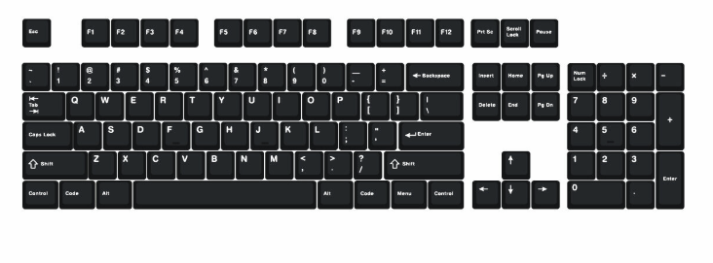
 |  |  |  | 1
Select Row | Shift Space |  |  | 2
Select Column | Ctrl Space
Add new Row | Shift Space | Ctrl +
Add new Col | Ctrl Space | Ctrl +
Delete the row | Shift Space | Ctrl -
Delete the col | Ctrl Space | Ctrl -

 |  |  |  | 1 | 2

