Charts
 |  |  | What is a chart?

 | A chart is a visual representative of data in both columns and rows. Charts are usually used to analyse trends and patterns in data sets.

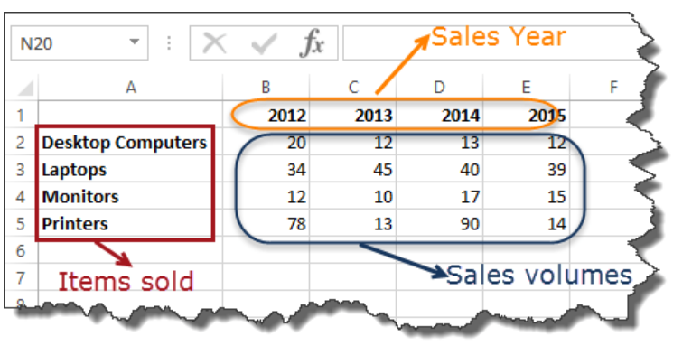
Sample Data
 | Item | 2012 | 2013 | 2014 | 2015
 | Desktop Computers | 20 | 12 | 13 | 12
 | Laptops | 34 | 45 | 40 | 39
 | Monitors | 12 | 10 | 17 | 15
 | Printers | 78 | 13 | 90 | 14

Pie chart
 |  | Pie Chart

WHEN SHOULD I USE IT?
 | Item | 2012 | 2013 | 2014 | 2015 | Chart Elements
When you want to quantify items and show them as percentages. | Desktop Computers | 20 | 12 | 13 | 12
 | Laptops | 34 | 45 | 40 | 39
 | Monitors | 12 | 10 | 17 | 15
 | Printers | 78 | 13 | 90 | 14

Bar Chart
 |  | Bar Chart

WHEN SHOULD I USE IT?
 | Item | 2012 | 2013 | 2014 | 2015
When you want to compare values across a few categories. The values run horizontally | Desktop Computers | 20 | 12 | 13 | 12
 | Laptops | 34 | 45 | 40 | 39
 | Monitors | 12 | 10 | 17 | 15
 | Printers | 78 | 13 | 90 | 14

 |  | Item | 2012 | 2013 | 2014 | 2015
 |  | Desktop Computers | 20 | 12 | 13 | 12
 |  | Laptops | 34 | 45 | 40 | 39
 |  | Monitors | 12 | 10 | 17 | 15
 |  | Printers | 78 | 13 | 90 | 14

Column Chart
 |  | Column chart

WHEN SHOULD I USE IT?
 | Item | 2012 | 2013 | 2014 | 2015
When you want to compare values across a few categories. The values run vertically | Desktop Computers | 20 | 12 | 13 | 12
 | Laptops | 34 | 45 | 40 | 39
 | Monitors | 12 | 10 | 17 | 15
 | Printers | 78 | 13 | 90 | 14

Line chart
 |  | Line chart

WHEN SHOULD I USE IT?
 | Item | 2012 | 2013 | 2014 | 2015
When you want to visualize trends over a period of time i.e. months, days, years, etc. | Desktop Computers | 20 | 12 | 13 | 12
 | Laptops | 34 | 45 | 40 | 39
 | Monitors | 12 | 10 | 17 | 15
 | Printers | 78 | 13 | 90 | 14

Combo chart
 |  |  |  | Cambo Chart

 | WHEN SHOULD I USE IT?
 |  |  | Item | 2012 | 2013 | 2014 | 2015
 | When you want to highlight different types of information |  | Desktop Computers | 20 | 12 | 13 | 12
 |  |  | Laptops | 34 | 45 | 40 | 39
 |  |  | Monitors | 12 | 10 | 17 | 15
 |  |  | Printers | 78 | 13 | 90 | 14

Athlete Name | Weight | Height
Olivia Rodriguez | 67.68 | 174.49
Isabella Martinez | 86.48 | 175.45
Isabella Miller | 89.15 | 178.53
James Brown | 97.92 | 185.05
James Brown | 96.8 | 194.15
Liam Davis | 84.7 | 163.33
James Johnson | 87.74 | 175.34
Olivia Smith | 77.09 | 154.69
Ethan Williams | 77.03 | 188.25

Scatter plot
 |  |  | Scatter Plot

WHEN SHOULD I USE IT?
 |  | x | y
Scatter plot is used to show the correlation between 2 variables. |  | 42 | 6
 |  | 51 | 8
 |  | 33 | 10
 |  | 44 | 12

 |  |  |  | -0.20889318715

x | y |  |  | x | y
1 | 2 |  |  | 1 | 10
2 | 4 |  |  | 2 | 8
3 | 6 |  |  | 3 | 6
4 | 8 |  |  | 4 | 4
5 | 10 |  |  | 5 | 2

 | 1 |  |  |  | -1

Radar Charts
Metric | Product A | Product B | Product C
Customer Satisfaction | 85 | 80 | 75
Product Quality | 90 | 85 | 88
Delivery Time | 75 | 70 | 72
Pricing | 80 | 75 | 78
Support | 95 | 90 | 85

