✅ Cell and Table Formatting
Font Formatting
Number Formatting

Font Formatting

Font Family | Font Size | Bold | Italic | Underline | Double Underline | Border
Acciojob | Acciojob | Acciojob | Acciojob | Acciojob | Acciojob | Acciojob | Acciojob | Acciojob | Acciojob | Acciojob

Bottom | Middle | Top | Left | Center | Right
Acciojob | Acciojob | Acciojob | Acciojob | Acciojob | Acciojob | Acciojob | Acciojob | Acciojob | Acciojob | Acciojob | Acciojob

Acciojob

Acciojob DA 21

Number Formatting
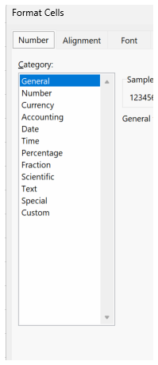
General | 123456
Number | 123456.00
Currency | ₹ 123,456.00
Accounting | ₹ 123,456.00
Short Date | 123456
Long Date | 123456

 | 1 | 1900-01-01
 | 2 | 1900-01-02 00:00:00
Time | 1900-01-01 12:00:00
Time | 1900-01-02 12:00:00
 | 123456

Time | 1900-01-01 00:00:00
Time | 1900-01-01 06:00:00
Time | 1900-01-01 12:00:00
Time | 1900-01-01 18:00:00

Percentage | 0.00%
Percentage | 25.00%
Percentage | 50.00%
Percentage | 75.00%
Percentage | 80.00%

Fraction | 0.25
Fraction | 1.25

Scientific Notation | 3.25E+03
Scientific Notation | 6.54E-04
 | 1.54656E-06

Text | =5+6
 | =55+65

