Intro
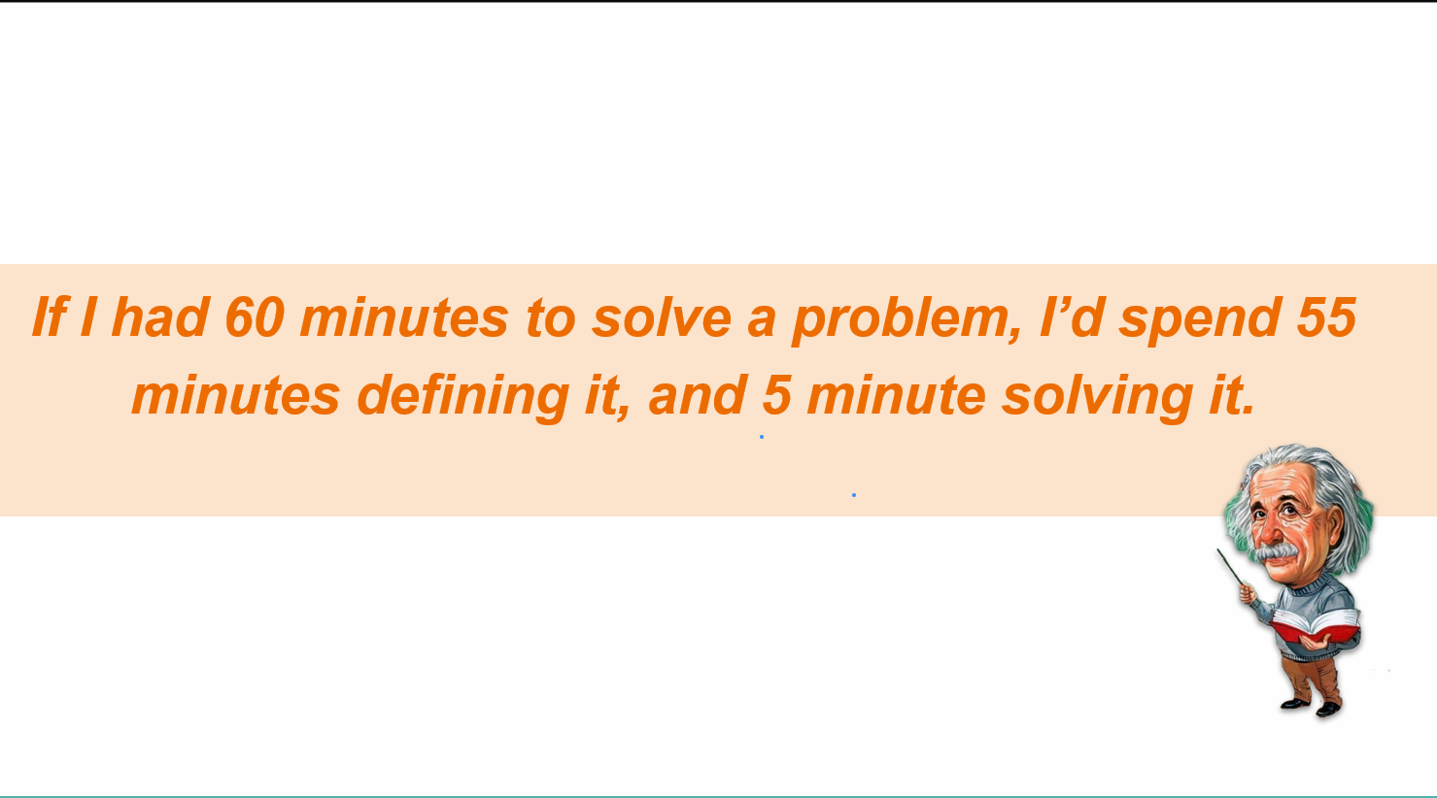
 | Understing the problem
 | Analysing the problem

 | I want to make Biryani
 | I want Mutton Biryani
 | Lucknowi Style
 | Less Oil
 | Less Masala

Volatile
Uncertain
Complex
Ambiguous

