✅ Editing Data & Worksheets
Editing Data in Cells Using Various Techniques

 |  | S

 |  | s
 |  | Acciojob

Inserting and Deleting Rows and Columns | Select Column |  | Ctrl | Space
 | Row |  | Shift | Space

 | Insert | NumPad | Ctrl | +
 |  |  | Ctrl | Shift | +

 | Delete |  | Ctrl | -

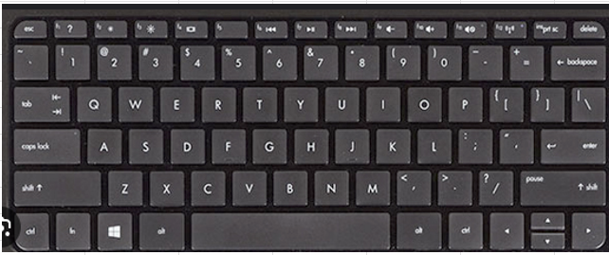

Adjusting Row Height and Column Width

Renaming, Adding, and Deleting Worksheets
Moving and Copying Worksheets within a Workbook

✅ Referencing
Cell
Cell Address

Cell Referencing |  | Acciojob |  |  | Acciojob
 |  |  |  |  | Acciojob
 |  |  |  |  | Acciojob

Relative |  | Top |  |  | Top
Absolute | Left | India | Right | Left | India | Right
Mixed |  | Bottom |  |  | Bottom

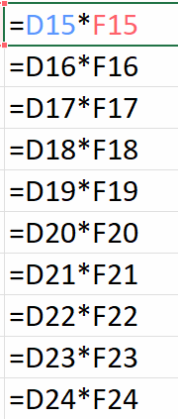
 |  | 5 | x | 1 | 5
 |  | 5 | x | 2 | 10
 |  | 5 | x | 3 | 15
 |  | 5 | x | 4 | 20
 |  | 5 | x | 5 | 25
 |  | 5 | x | 6 | 30
 |  | 5 | x | 7 | 35
 |  | 5 | x | 8 | 40
 |  | 5 | x | 9 | 45
 |  | 5 | x | 10 | 50

 |  | 5 |  | 9
 |  | 4

 |  |  |  |  |  |  | 4 |  | 14
 |  |  |  |  |  |  | 10

 |  |  |  | 5 |  |  |  |  | 5
 |  |  | 1 |  |  |  |  | 1 | 5 |  |  | 5
 |  |  | 2 |  |  |  |  | 2 | 10 |  |  | 10
 |  |  | 3 |  |  |  |  | 3 | 30 |  |  | 15
 |  |  | 4 |  |  |  |  | 4 | 120 |  |  | 20
 |  |  | 5 |  |  |  |  | 5 | 600 |  |  | 25
 |  |  | 6 |  |  |  |  | 6 | 3600 |  |  | 30
 |  |  | 7 |  |  |  |  | 7 | 25200 |  |  | 35
 |  |  | 8 |  |  |  |  | 8 | 201600 |  |  | 40
 |  |  | 9 |  |  |  |  | 9 | 1814400 |  |  | 45
 |  |  | 10 |  |  |  |  | 10 | 18144000 |  |  | 50

 |  |  |  | x | 1 | 2 | 3 | 4 | 5 | 6 | 7 | 8 | 9 | 10
 |  |  |  | 1 | 1 | 1 | 1 | 1 | 1 | 1 | 1 | 1 | 1 | 1
 |  |  |  | 2 | 1 | 1 | 1 | 1 | 1 | 1 | 1 | 1 | 1 | 1
 |  |  |  | 3 | 1 | 1 | 1 | 1 | 1 | 1 | 1 | 1 | 1 | 1
 |  |  |  | 4 | 1 | 1 | 1 | 1 | 1 | 1 | 1 | 1 | 1 | 1
 |  |  |  | 5 | 1 | 1 | 1 | 1 | 1 | 1 | 1 | 1 | 1 | 1
 |  |  |  | 6 | 1 | 1 | 1 | 1 | 1 | 1 | 1 | 1 | 1 | 1
 |  |  |  | 7 | 1 | 1 | 1 | 1 | 1 | 1 | 1 | 1 | 1 | 1
 |  |  |  | 8 | 1 | 1 | 1 | 1 | 1 | 1 | 1 | 1 | 1 | 1
 |  |  |  | 9 | 1 | 1 | 1 | 1 | 1 | 1 | 1 | 1 | 1 | 1
 |  |  |  | 10 | 1 | 1 | 1 | 1 | 1 | 1 | 1 | 1 | 1 | 1

Ctrl | Alt | V
 |  |  |  |  | 1 | 2 | 3 | 4 | 5 | 6 | 7 | 8 | 9 | 10
 |  |  |  | 1
 |  |  |  | 2
 |  |  |  | 3
 |  |  |  | 4
 |  |  |  | 5
 |  |  |  | 6
 |  |  |  | 7
 |  |  |  | 8
 |  |  |  | 9
 |  |  |  | 10

