Components
Quick Access bar

Search Box

Menu / Tab

Ribbion

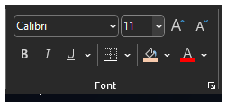
Groups

Command

Name Box

Formulae Bar | Siraj
 | 11
Spreadsheet | Store The data
 |  |  | 5
 | Columns | Alphabets | 6
 |  |  | 4
 | Rows | Numbers

 | Cell

Scroll Bar

Sheets

Progess / Status Bar

