Charts
 |  |  | What is a chart?

 | A chart is a visual representative of data in both columns and rows. Charts are usually used to analyse trends and patterns in data sets.

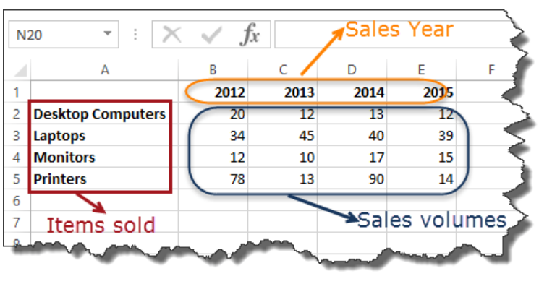
Sample Data
 | Item | 2012 | 2013 | 2014 | 2015
 | Desktop Computers | 20 | 12 | 13 | 12
 | Laptops | 34 | 45 | 40 | 39
 | Monitors | 12 | 10 | 17 | 15
 | Printers | 78 | 13 | 90 | 14

Pie chart
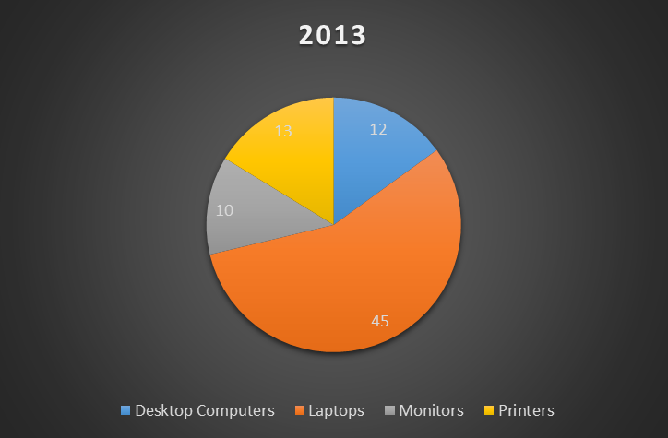
 |  | Pie Chart

WHEN SHOULD I USE IT?
 | Item | 2012 | 2013 | 2014 | 2015
When you want to quantify items and show them as percentages. | Desktop Computers | 20 | 12 | 13 | 12
 | Laptops | 34 | 45 | 40 | 39
 | Monitors | 12 | 10 | 17 | 15
 | Printers | 78 | 13 | 90 | 14

Bar Chart
 |  | Bar Chart

WHEN SHOULD I USE IT?
 | Item | 2012 | 2013 | 2014 | 2015 | Item | 2012 | 2013 | 2014 | 2015
When you want to compare values across a few categories. The values run horizontally | Desktop Computers | 20 | 12 | 13 | 12 | Desktop Computers | 20 | 12 | 13 | 12
 | Laptops | 34 | 45 | 40 | 39 | Laptops | 34 | 45 | 40 | 39
 | Monitors | 12 | 10 | 17 | 15 | Monitors | 12 | 10 | 17 | 15
 | Printers | 78 | 13 | 90 | 14 | Printers | 78 | 13 | 90 | 14

Year Wise Item's Sales
Item wise Year's Sales

Column Chart
 |  | Column chart

WHEN SHOULD I USE IT?
 | Item | 2012 | 2013 | 2014 | 2015 | Item | 2012 | 2013 | 2014 | 2015
When you want to compare values across a few categories. The values run vertically | Desktop Computers | 20 | 12 | 13 | 12 | Desktop Computers | 20 | 12 | 13 | 12
 | Laptops | 34 | 45 | 40 | 39 | Laptops | 34 | 45 | 40 | 39
 | Monitors | 12 | 10 | 17 | 15 | Monitors | 12 | 10 | 17 | 15
 | Printers | 78 | 13 | 90 | 14 | Printers | 78 | 13 | 90 | 14

Line chart
 |  | Line chart

WHEN SHOULD I USE IT?
 | Item | 2012 | 2013 | 2014 | 2015
When you want to visualize trends over a period of time i.e. months, days, years, etc. | Desktop Computers | 20 | 12 | 13 | 12
 | Laptops | 34 | 45 | 40 | 39
 | Monitors | 12 | 10 | 17 | 15
 | Printers | 78 | 13 | 90 | 14

Combo chart
 |  | Cambo Chart

WHEN SHOULD I USE IT?
 | Item | 2012 | 2013 | 2014 | 2015 | Month | Sales (₹) | Profit (₹) | Profit Margin (%)
When you want to highlight different types of information | Desktop Computers | 20 | 12 | 13 | 120 | January | 50,000 | 10,000 | 20%
 | Laptops | 34 | 45 | 40 | 390 | February | 60,000 | 12,000 | 20%
 | Monitors | 12 | 10 | 17 | 150 | March | 55,000 | 9,900 | 18%
 | Printers | 78 | 13 | 90 | 140 | April | 70,000 | 14,000 | 20%
 |  |  |  |  |  | May | 80,000 | 15,200 | 19%
 |  |  |  |  |  | June | 75,000 | 13,500 | 18%

Radar Charts
Metric | Product A | Product B | Product C
Customer Satisfaction | 85 | 80 | 75
Product Quality | 50 | 85 | 88
Delivery Time | 75 | 70 | 72
Pricing | 80 | 75 | 78
Support | 95 | 90 | 85

Scatter plot
 |  |  |  |  | Scatter Plot

WHEN SHOULD I USE IT?
 |  |  |  | x | y
Scatter plot is used to show the correlation between 2 variables. |  |  |  | 42 | 6 | -0.20889318715
 |  |  |  | 51 | 8
 |  |  |  | 33 | 10
 |  |  |  | 44 | 12

Sales | Profit |  |  | Sales | Profit |  | Sales | Profit
1000 | 100 |  |  | 100 | 5 |  | 100 | 100
2000 | 200 |  |  | 200 | 10 |  | 200 | 90
3000 | 300 |  |  | 300 | 15 |  | 300 | 80
4000 | 400 |  |  | 400 | 20 |  | 400 | 70
5000 | 500 |  |  |  |  |  | 500 | 60
6000 | 600

Correlation | -1 | 0 | 1
 | Perfect Negative Correlation | No Correlation | Perfect Positive Correlation
 |  |  |  |  |  |  |  |  | -1
1

