Creating a Pivot Table in Excel
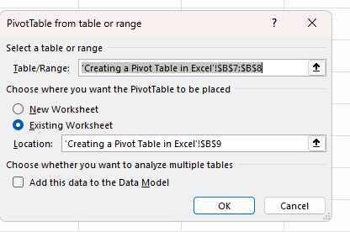
Range

Table

Go to Insert
Click on Pivot Table

Row Labels |  | Column Labels
Customer Support |  | Customer Support | Engineering | Finance | HR | IT | Marketing | Sales | Grand Total
Engineering
Finance
HR
IT
Marketing
Sales
Grand Total

Count of Department | Sum of Salary
500 | 37114105

ShortCut

Alt N V T

Row Labels | Count of Department |  |  | Department | No Of Employees
Sales | 82 |  |  | Customer Support | 72
HR | 81 |  |  | Sales | 82
IT | 73 |  |  | Finance | 57
Customer Support | 72 |  |  | Marketing | 71
Marketing | 71 |  |  | Engineering | 64
Engineering | 64 |  |  | IT | 73
Finance | 57 |  |  | HR | 81
Grand Total | 500

