Charts
 |  |  | What is a chart?

 | A chart is a visual representative of data in both columns and rows. Charts are usually used to analyse trends and patterns in data sets.

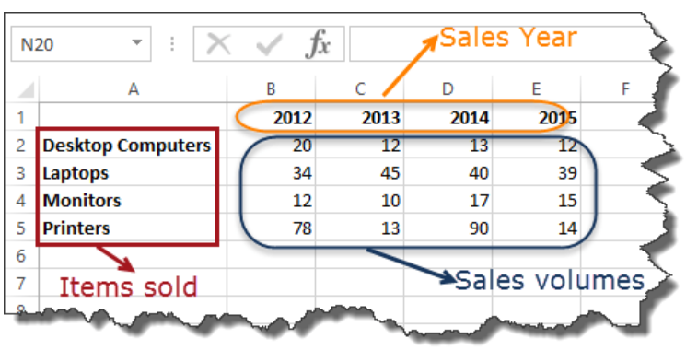
Sample Data
 | Item | 2012 | 2013 | 2014 | 2015
 | Desktop Computers | 20 | 12 | 13 | 12
 | Laptops | 34 | 45 | 40 | 39
 | Monitors | 12 | 10 | 17 | 15
 | Printers | 78 | 13 | 90 | 14

Pie chart
 |  | Pie Chart

WHEN SHOULD I USE IT?
 | Item | 2012 | 2013 | 2014 | 2015
When you want to quantify items and show them as percentages. | Desktop Computers | 20 | 12 | 13 | 12
 | Laptops | 34 | 45 | 40 | 39
 | Monitors | 12 | 10 | 17 | 15
 | Printers | 78 | 13 | 90 | 14

Bar Chart
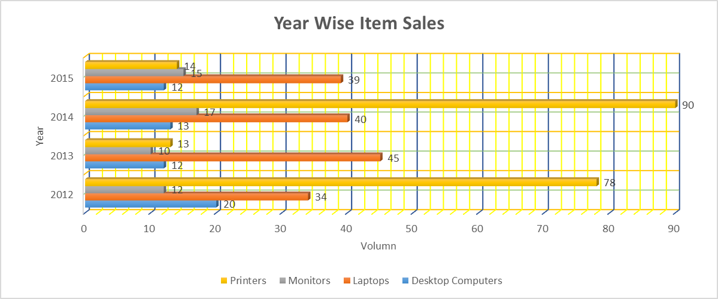
 |  | Bar Chart

WHEN SHOULD I USE IT?
 | Item | 2012 | 2013 | 2014 | 2015
When you want to compare values across a few categories. The values run horizontally | Desktop Computers | 20 | 12 | 13 | 12
 | Laptops | 34 | 45 | 40 | 39
 | Monitors | 12 | 10 | 17 | 15
 | Printers | 78 | 13 | 90 | 14
Item wise Yearly Sales
Year Wise Item Sales

Year Wise Item Sales

Column Chart
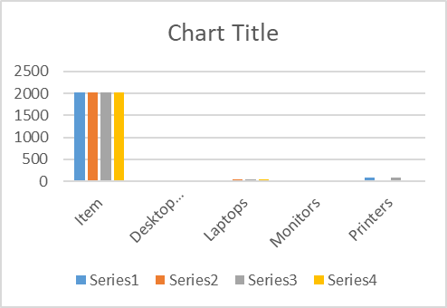
 |  | Column chart

WHEN SHOULD I USE IT?
 | Item | 2012 | 2013 | 2014 | 2015
When you want to compare values across a few categories. The values run vertically | Desktop Computers | 20 | 12 | 13 | 12
 | Laptops | 34 | 45 | 40 | 39
 | Monitors | 12 | 10 | 17 | 15
 | Printers | 78 | 13 | 90 | 14

Line chart
 |  | Line chart

WHEN SHOULD I USE IT?
 | Item | 2012 | 2013 | 2014 | 2015
When you want to visualize trends over a period of time i.e. months, days, years, etc. | Desktop Computers | 20 | 12 | 13 | 12
 | Laptops | 34 | 45 | 40 | 39
 | Monitors | 12 | 10 | 17 | 15
 | Printers | 78 | 13 | 90 | 14

Combo chart
 |  | Cambo Chart

WHEN SHOULD I USE IT?
 | Item | 2012 | 2013 | 2014 | 2015
When you want to highlight different types of information | Desktop Computers | 20 | 12 | 13 | 12
 | Laptops | 34 | 45 | 40 | 39
 | Monitors | 12 | 10 | 17 | 15
 | Printers | 78 | 13 | 90 | 14

Scatter plot
 |  |  |  | Scatter Plot

WHEN SHOULD I USE IT?
 |  |  | x | y
Scatter plot is used to show the correlation between 2 variables. |  |  | 42 | 6
 |  |  | 51 | 8
 |  |  | 33 | 10
 |  |  | 44 | 12

 | x | y |  | x | y
 | 1 | 2 |  | 1 | 12 | 1
 | 2 | 4 |  | 2 | 10 | -1
 | 3 | 6 |  | 3 | 8
 | 4 | 8 |  | 4 | 6
 | 5 | 10 |  | 5 | 4
 | 6 | 12 |  | 6 | 2

