Sheet2
133 |  |  | 0 | Min | 100
159 |  |  | 1 | 1st | 125
183 |  |  | 2 | Median | 150 | IQR | 51
118 |  |  | 3 | 3rd | 176 | Lower | 48.5
105 |  |  | 4 | Max | 253 | Upper | 252.5
168
251 |  |  | 0.14146521615
148
152 |  | Relative | -0.88466356943 | Absolute | 2.1153364306
253
123 |  |  | `kurt
198 |  |  | `skew
113
127
124
116 |  |  | Mean
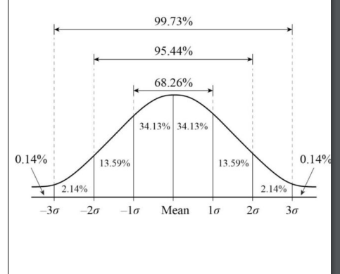
128 |  |  | 150.27076412
151 |  |  | SD
148 |  |  | 29.44765234
143
187
144
176 | 91.37545944 | 120.82311178 | 150.27076412 | 179.71841646 | 209.1660688
153 | `-2SD | `-1SD | Mean | `+1SD | `+2SD
199 |  | 68.26
103 | 95.44
171
150 | 91.37545944
174
165
186
200
123 |  | Skewness | 0
192 |  | Kurtosis | 3
119
172
116
145
156
196
170
139
191
105
129
129
125
143
183
135
104
160
146
110
147
176
121
152
157
197
127
135
156
125
130
115
125
149
153
196
146
147
157
175
157
154
100
132
133
199
183
116
104
199
186
103
139
188
154
151
180
195
114
144
115
143
168
144
151
187
121
135
144
152
185
168
185
110
120
112
180
185
154
180
186
125
162
105
103
173
133
191
171
189
200
115
118
136
132
159
178
130
121
148
157
117
104
166
123
121
123
194
104
198
109
158
164
193
149
152
169
152
137
198
155
178
174
115
187
150
139
173
150
156
171
156
199
138
173
112
132
179
189
149
123
192
150
114
186
165
137
185
162
178
163
136
191
113
174
143
133
186
103
124
168
178
175
184
121
177
127
145
120
105
109
198
115
100
136
117
169
153
192
192
122
124
169
143
130
154
102
171
193
178
101
194
106
135
143
107
181
135
131
105
131
181
136
102
173
129
145
151
198
164
189
131
113
160
168
127
103
167
117
173
182
155
119
117
122
126
186
167
187
127
144
165
179
180
103
121
183
117
134
124
154
119
110
179
113
152
164
106
122
113
102
126
183
108
144
146
114
131
198
175
121
166
155
162
171
100
156
108
123
153
181
111
154
102
131
173
117
183
153
151
112
129
195
109
183
190
129
155
125
155
145
163
112
199
162
138
186
199
158
167
184
118
106
176
127
102
146
178
120
152
175
138
194
179
140
177
123
168
168
126
109
112
193
171
105
150
132
186
195
182
127
172
122
188
156
126
197
149
197
195
173
135
113
192
130
147
164
135
137
193
199
174
135
130
194
174
152
196
166
197
189
131
127
171
169
103
176
182
118
183
194
170
178
173
199
171
158
116
117
167
160
106
110
181
103
199
142
165
144
156
163
109
154
166
125
166
187
146
168
193
195
145
182
133
104
187
190
146
166
103
172
139
155
129
142
139
151
128
125
174
143
151
129
144
163
184
119
118
105
165
170
118
188
131
152
124
142
189
101
193
133
183
129
142
178
153
137
111
179
158
168
150
184
129
187
138
129
178
186
107
175
115
148
151
127
136
181
121
163
163
113
194
133
162
132
187
142
120
183
117
164
139
156
184
175
156
125
124
124
194
115
133
159
195
140
197
197
107
118
179
194
102
104
109
182
125
147
177
133
110
186
171
144
166
160
105
130
145
181
157
111
137
185
114
179
121
177
152
198
123
108
174
185
145
156
149
142
112
146
103
129
134
121
149
122
126
189
158
108
121
173
191
125
115
183
123
122
126
186
115
137
137
190
198
131
181
114
114

Sheet4
