Sheet6
Month | Sales
January | 500
February | 450
March | 520
April | 480
May | 530
June | 490
July | 550
August | 510
September | 560
October | 520
November | 580
December | 600

 |  | Over Period of time | Line Chart
 |  | Distribution | Histogram
 |  | Distribution ? Outlier | Box Plot
 |  | Relationship | Scatter Plot
 |  | Comapring | Bar
 |  | Composition | Pie / Donought | Tree map

Sheet3
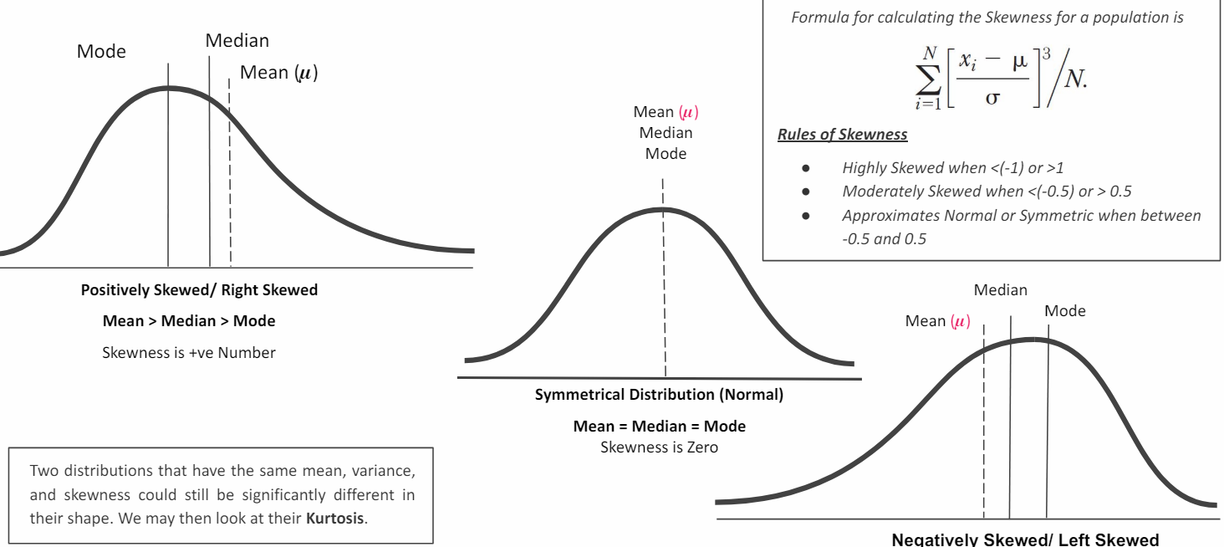

Skewness | Shape Horizontally

Kurtosis | Shape Vertically

Sheet5
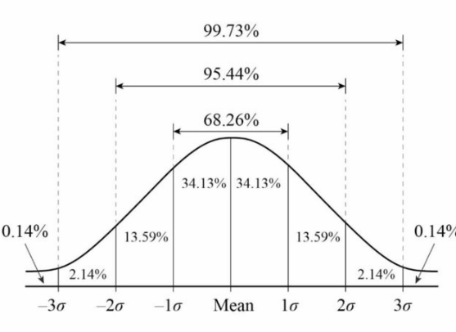

Mean=Median=Mode

1 SD | 68.26
2 SD | 95.44
3 SD | 99.73
 | 0.14

