Sheet5
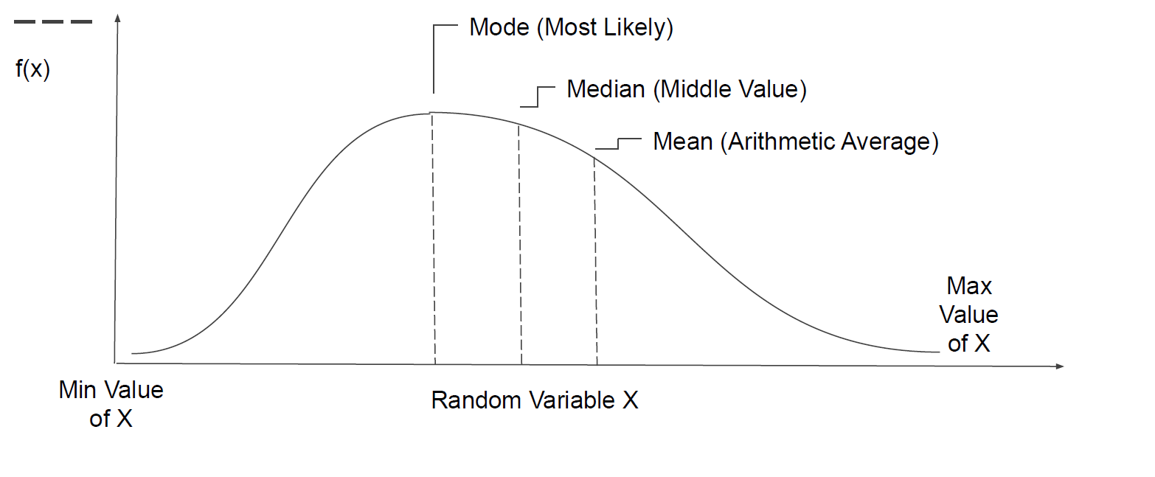

Sales

Category | Sales
Sub Category
Product Name
Segment
Market

Histo Gram
Box Plot

