DIKH Pyramid
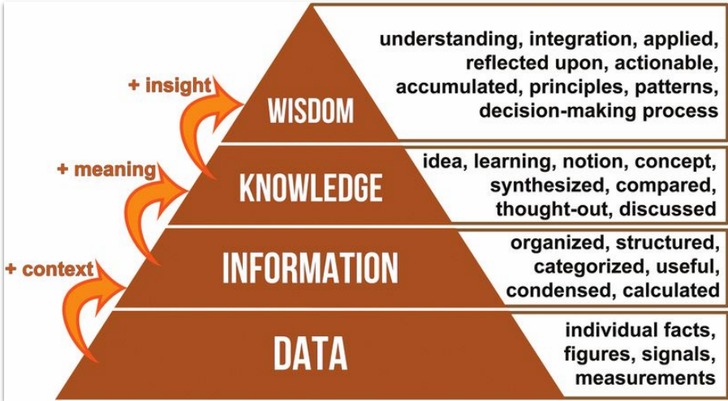
Biryani

Kokata Biryani , Lucknwi Biryani ,Hyderbadi

Biryani

Rice Chicken Water Spices Gas Curd Vinegar Utensils Onion Ginger Vegetable Garam Masala

