Measure of Spread
Height
178 | 26.86 | 721.4596 | Range | 59
169 | 17.86 | 318.9796 | Mean | 151.14
120 | -31.14 | 969.6996 |  | 16270.02
166 | 14.86 | 220.8196 |  | 50
159 | 7.86 | 61.7796 | Variance | 325.4004 | 325.4004
157 | 5.86 | 34.3396 | SD | 18.038858057 | 18.038858057
151 | -0.14 | 0.0196
132 | -19.14 | 366.3396
144 | -7.14 | 50.9796
146 | -5.14 | 26.4196
123 | -28.14 | 791.8596
157 | 5.86 | 34.3396
125 | -26.14 | 683.2996
162 | 10.86 | 117.9396
159 | 7.86 | 61.7796
157 | 5.86 | 34.3396
166 | 14.86 | 220.8196
169 | 17.86 | 318.9796
131 | -20.14 | 405.6196
137 | -14.14 | 199.9396
125 | -26.14 | 683.2996
151 | -0.14 | 0.0196
155 | 3.86 | 14.8996
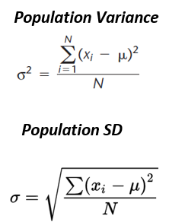
121 | -30.14 | 908.4196
124 | -27.14 | 736.5796
141 | -10.14 | 102.8196
173 | 21.86 | 477.8596
140 | -11.14 | 124.0996
173 | 21.86 | 477.8596
172 | 20.86 | 435.1396
137 | -14.14 | 199.9396
179 | 27.86 | 776.1796
155 | 3.86 | 14.8996
179 | 27.86 | 776.1796
123 | -28.14 | 791.8596
153 | 1.86 | 3.4596
148 | -3.14 | 9.8596
156 | 4.86 | 23.6196
155 | 3.86 | 14.8996
175 | 23.86 | 569.2996
142 | -9.14 | 83.5396
136 | -15.14 | 229.2196
167 | 15.86 | 251.5396
171 | 19.86 | 394.4196
157 | 5.86 | 34.3396
128 | -23.14 | 535.4596
147 | -4.14 | 17.1396
120 | -31.14 | 969.6996
176 | 24.86 | 618.0196
170 | 18.86 | 355.6996

