Recap
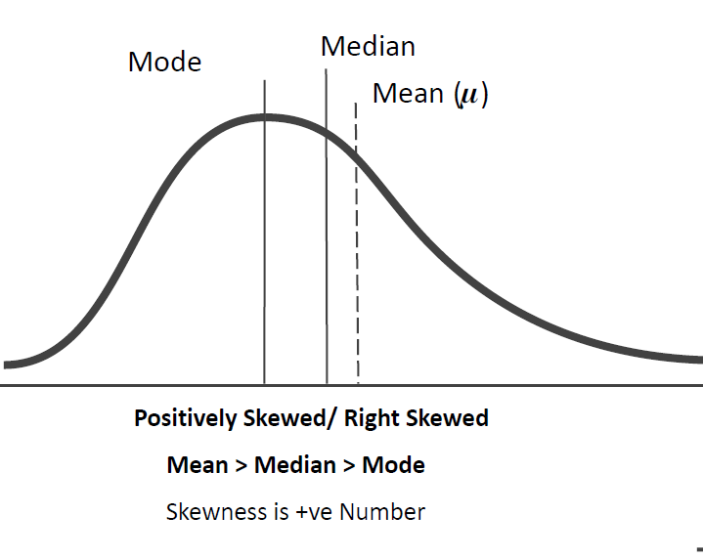
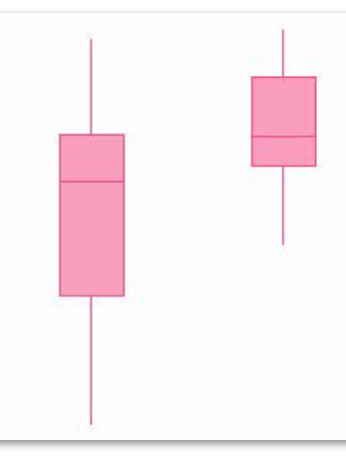
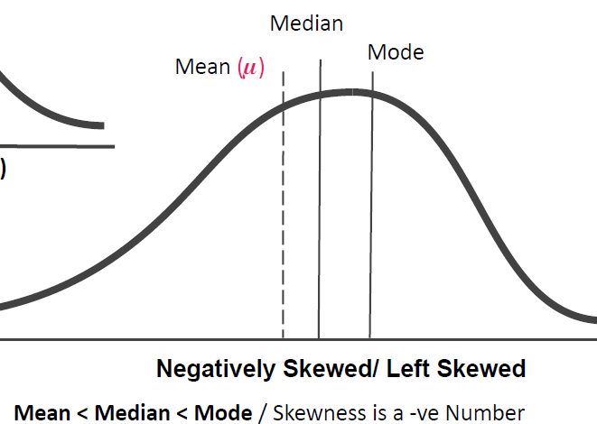
CT
Spread |  | x | y

Scatter Plot |  |  |  | 2
Correl

Box Plot | Distribution
 | Median
 | Mean
 | Outlier
 | Skewness
 | Kurtosis

Heat Map |  | 5 Point | Minimum
 |  |  | First Q
 |  |  | Median
 |  |  | Third Quartile
 |  |  | Maximum

 |  | Describe
 |  | Info

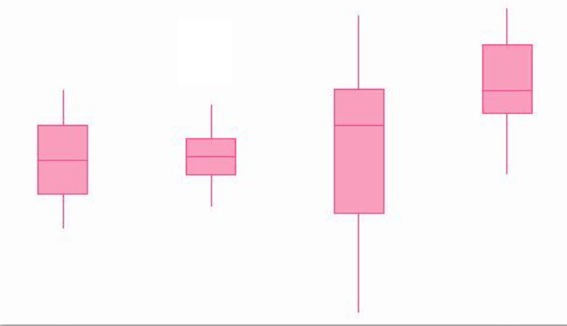

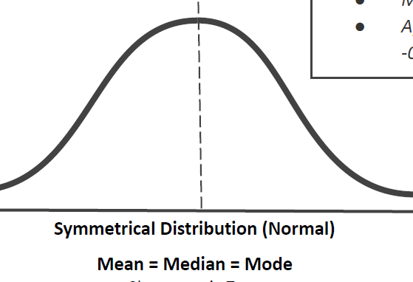
 |  |  |  |  | Normal Distribution

 |  |  |  |  | Mean = Median= Mode
 |  |  |  |  | Skewness =0 |  | SKEW
 |  |  |  |  | Kurtosis =0 | Relative Kurtosis | KURT
 |  |  |  |  |  | Absolute => 3

Skewness
166 | -3.1 | -0.20485873609 | -0.0085973274221 | -0.00085973274221 | 169.1 | Column1
196 | 26.9 | 1.7776451615 | 5.6173983881 | 0.56173983881 | 15.132378825
155 | -14.1 | -0.93177683189 | -0.8089761597 | -0.08089761597 | 4.1714598582 | Mean | 169.1
189 | 19.9 | 1.3150609188 | 2.2742469164 | 0.22742469164 | 0.41714598582 | Standard Error | 4.7852783502
171 | 1.9 | 0.12555858018 | 0.0019794256248 | 0.00019794256248 |  | Median | 168.5
157 | -12.1 | -0.79960990538 | -0.51125138348 | -0.051125138348 | 0.57936942475 | Mode | 157
157 | -12.1 | -0.79960990538 | -0.51125138348 | -0.051125138348 |  | Standard Deviation | 15.132378825
174 | 4.9 | 0.32380896995 | 0.033952098751 | 0.0033952098751 | -0.5979301279 | Sample Variance | 228.98888889
176 | 6.9 | 0.45597589645 | 0.09480378081 | 0.009480378081 |  | Kurtosis | -0.5979301279
150 | -19.1 | -1.2621941482 | -2.0108444974 | -0.20108444974 |  | Skewness | 0.57936942475
 |  |  |  | 0.41714598582 |  | Range | 46
 |  |  |  |  |  | Minimum | 150
 |  |  |  |  |  | Maximum | 196
 |  |  |  |  |  | Sum | 1691
 |  |  |  |  |  | Count | 10

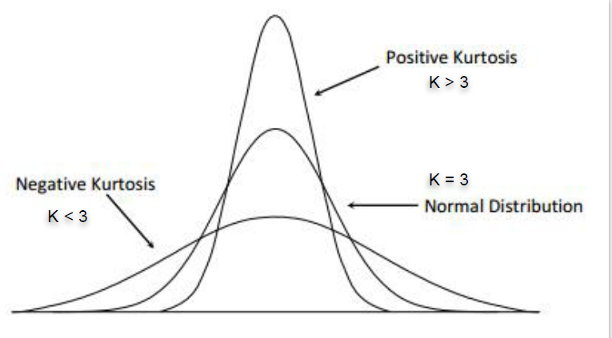

 |  |  |  |  | -0.5979301279

 |  | Getting
 |  | Power Query Editor
 |  | Modeling

 |  | RDBMS

Data Visualization
Rupali | Quick View
Prabuddh | Easy / Better to understand
Gayatri | review the data easily and compare it
Srishti | Understand Relaationship
Prabuddh | Complex to easy format
Preeti | Trends and Pattern

 |  | Category 1 | Category 2 | Value
 |  | Electronics | Phones | 200
 |  | Electronics | Laptops | 150
 |  | Electronics | Tablets | 100
 |  | Clothing | Men | 300
 |  | Clothing | Women | 250
 |  | Clothing | Kids | 180
 |  | Groceries | Vegetables | 120
 |  | Groceries | Fruits | 140
 |  | Groceries | Dairy | 110

 |  | Product Category | Q1 Sales | Q2 Sales | Q3 Sales | Q4 Sales
 |  | Electronics | 5000 | 7000 | 6000 | 8000
 |  | Clothing | 3000 | 4000 | 3500 | 4500
 |  | Groceries | 2000 | 2500 | 2200 | 2700
 |  | Furniture | 4000 | 5000 | 4500 | 5500

