Probability
Probability | Prediction
 | Possibility Of occuring any event
 | Measure of Uncertanity

 | It might will rain | There is a probability of 70 % that it will rain
 |  | Quantified

 | Favorable Outcome
 | Total Outcome

 | Outcome

Experiment |  | Tossing a Coin

 | Head | Total Outcome | Sample Space
 | Tail

 | 10 | 20 | 30 | 40 | 50 | 60 | 80 | 90 | 100

Event | Getting a Head | Fav Outcome | 1
 |  | Total Outcome | 2
 |  | P(Getting Head) | 0.5

Step 1 | Identify Sample Space
Step 2 | Event
Step 3 | Favoravle Out Come

Experiment |  | Tossing two Coins

Sample Space | HH | TH
 | HT | TT

Events | Getting one Head | 0.5
 | Getting atleast One Head | 0.75
 | Getting atmost One Head | 0.75

Experiment |  | Tossing 5 Coins

Events | Getting atleast One Head

Experiment

Sample Space | 1
 | 2
 | 3
 | 4
 | 5
 | 6

Event | 1 | 0.16666666667
 | Even No | 0.5
 | No Less than 5 | 0.66666666667

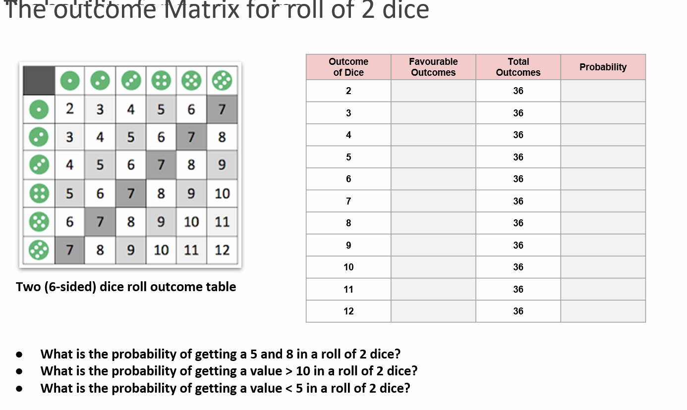

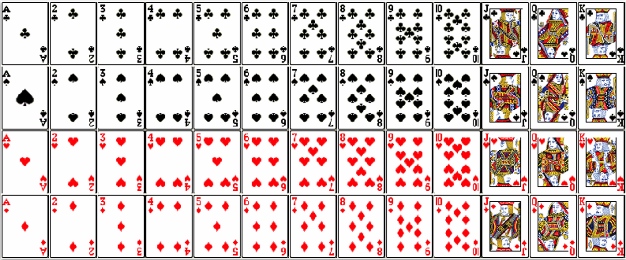
 |  |  |  |  | Total | 52
 |  |  |  |  | Black | 26
 |  |  |  |  |  | Spades | 13
 |  |  |  |  |  | Clubs | 13
 |  |  |  |  | Red | 26
 |  |  |  |  |  | Heart | 13
 |  |  |  |  |  | Diamond | 13

 |  |  |  |  | Numbers | 2-10
 |  |  |  |  |  | Ace
 |  |  |  |  |  | Face | King
 |  |  |  |  |  |  | Queen
 |  |  |  |  |  |  | Jack

Event | Red | 0.5
 | Face Card | 0.23076923077
 | Red Face Card | 0.11538461538

Set Theory
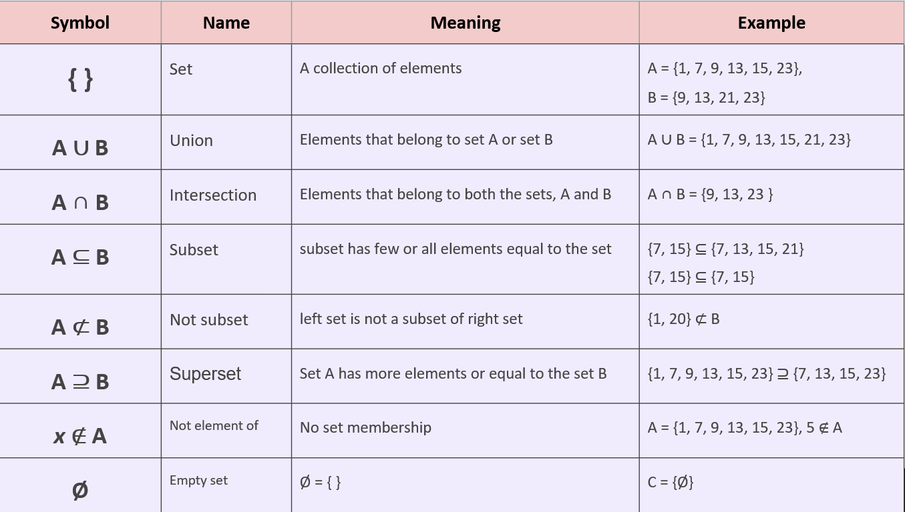

1. Employee Demographics: |  |  |  | 2. Employee Position: |  |  | 3. Performance and Experience: |  | 4. Salary and Compensation: | 5. Geography:

 | 1. Employee Demographics:

 | Gender:
 | Male
 | Female
 | Other
 | Age:
 | Under 25
 | 25-35
 | 35-45
 | 45 and above
 | Marital Status:
 | Single
 | Married
 | Divorced
 | Widowed

 | 2. Employee Position:

 | Job Title:
 | Analyst
 | Manager
 | Developer
 | Engineer
 | Sales Executive
 | Support Staff
 | HR Executive
 | Department:
 | Finance
 | Marketing
 | IT
 | HR
 | Sales
 | Engineering
 | Customer Support
 | Employment Status:
 | Permanent
 | Contract
 | Intern

 | 3. Performance and Experience:

 | Years of Experience:
 | 0-5 years
 | 6-10 years
 | 11-20 years
 | 20+ years
 | Years in Current Role:
 | 0-2 years
 | 3-5 years
 | 6-10 years
 | 10+ years
 | Performance Rating:
 | Poor (1-3)
 | Average (4-6)
 | Excellent (7-10)
 | Number of Projects:
 | 2024-05-01
 | 2024-10-06
 | Nov-15
 | 16 and above

 | 4. Salary and Compensation:

 | Salary Range:
 | Low (0-40,000)
 | Medium (40,001-80,000)
 | High (80,001-120,000)
 | Very High (120,001 and above)
 | Bonus and Incentives:
 | None
 | Low (0-10% of salary)
 | Medium (11-20% of salary)
 | High (21% and above)
 | Work Hours Per Week:
 | Under 30 hours
 | 30-40 hours
 | 40-50 hours
 | Above 50 hours

 | 5. Geography:

 | Location:
 | North America
 | Europe
 | Asia
 | South America
 | Africa
 | Australia

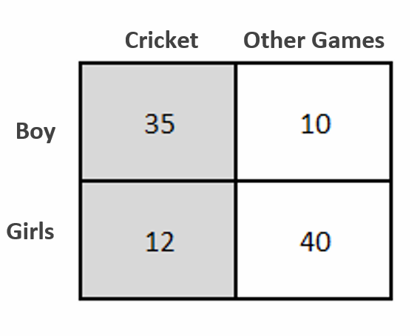
 |  | Fav | Total |  |  |  | Cricket | Other Games
Event | Boy | 45 | 97 | 0.46391752577 |  | Boy | 35 | 10
 | Girl | 52 | 97 | 0.53608247423 |  | Girl | 12 | 40
 | Cricket | 47 | 97 | 0.48453608247
 | Other Games | 50 | 97 | 0.51546391753
 | Cricket | Boy | 35 | 45 | 0.77777777778
 | Cricket | Girl | 12 | 52 | 0.23076923077
 | Boy | Cricket | 35 | 47 | 0.74468085106
 | Girl | Cricket | 12 | 47 | 0.25531914894

 |  |  |  |  | 0.77777777778

