Data Vs Information
Data
 | Raw Facts & Figures | Yogesh | Power BI | Data Analyst
 | Unprocessed | Gourav | Statistics | Data Engineer
 |  | Sujata | Acciojob

Information
 | Collection of Organised data | Yogesh, Gourav and Sujata are learning Power BI, Statistics in Acciojob which will help them in becoming Data Analyst or Data Engineer
 | Processed

 | Create 5 Examples for Data & Information

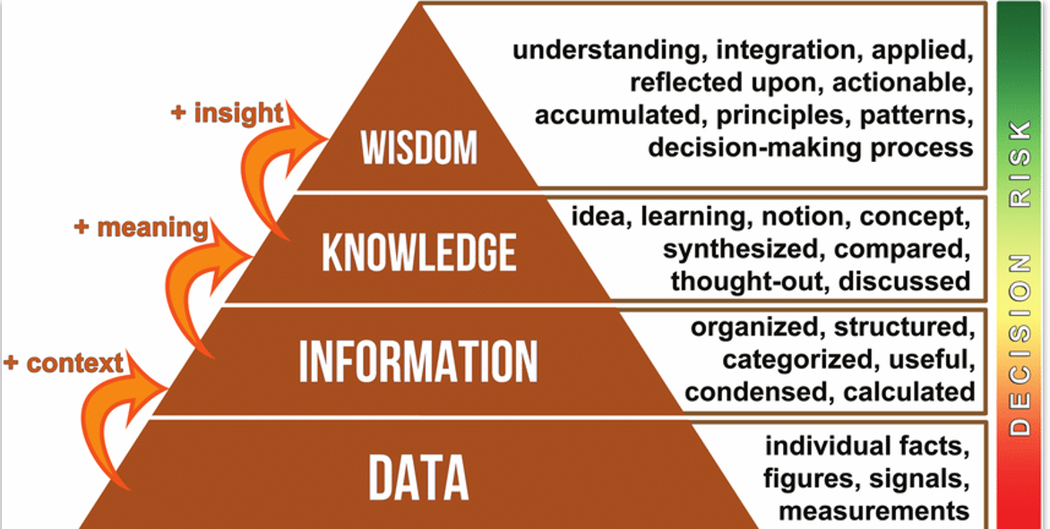
 |  |  |  |  | Next time order from Zomato Call mother ans ask how top make kheer

 |  |  |  |  | Made the kheer

 |  |  |  |  | Kesar Kheer Rice Kheer Gajar Kheer | We are making Kheer

 |  |  |  |  | Milk White Rice Sugar Elaichi Utensil Dry Fruits Firewood Cook

