Data Pyramid
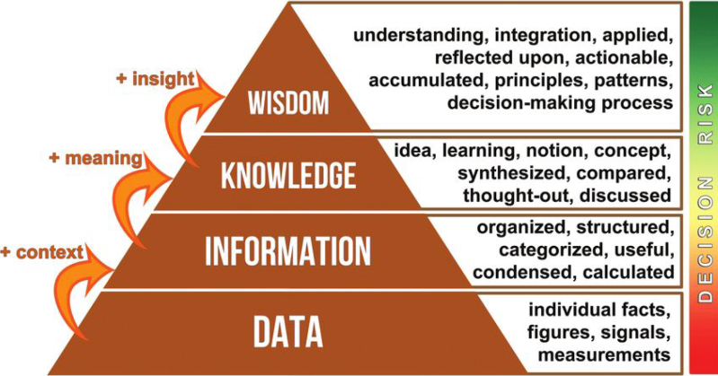

 |  |  | Its little bit spicy with respect to thalapakatti biryani
 |  |  | It is oily with respect to Lucknowi one
 |  |  | From next time you will not make biryani

 |  |  | It is mixture of Lucknowi and thalapakatti

 |  |  | Is it Lucknowi |  | Is it Moradabadi |  | Is it thalapakatti briyani

 |  |  | Biryani is ready

 |  |  | We organise all ingredients and will prepare biryani

 |  |  | We are cooking biryani

 |  |  | Rice | Spices | Water | Utensils | Oil | Ghee | Curd
 |  |  | Chicken | Gas | Stove | Someone who can cook

Data | Raw Data in table | Data Collection
Information | Financial Data (Cleaning / Organised) | transforming Loading
Knowledge | Dashboard - Problem Statements | Visualization
Wisdom | Decision | Managers / Owners

