Data Hier
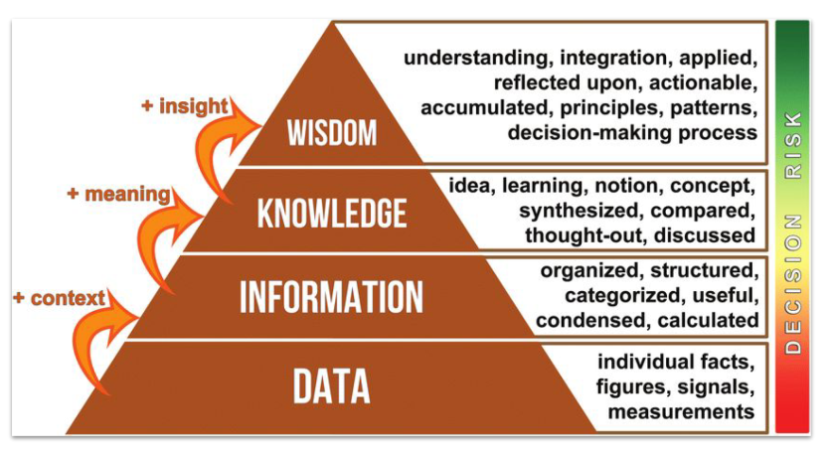

 |  | Decisions

Lucknowi
Hyderabadi

Lucknowi | Hyderabadi | Kolkata

Biryani

Rice | Chicken
Salt | Utensils | Spices
Water | Gas Stove

Making a decision to schedule outdoor events in the early mornings during summer months to avoid high temperatures.
Applying knowledge to make informed decisions, such as "To reduce heat-related risks, schedule events before 10 AM."

An analysis comparing the temperature trends over the past month to determine patterns.
Insights derived from information, such as "Temperatures tend to rise by 2°C on Mondays compared to Sundays."

A daily temperature report summarizing the average, highest, and lowest temperatures for each day of the week.
Organized and processed data that provide context, such as "The average temperature on Monday was 24°C."

A list of temperatures recorded every hour for a week.
Raw numerical values, such as 23°C, 25°C, 22°C, etc.

Data: Monthly sales numbers for a retail store.
Information: Sales report showing the best-selling products and the total revenue for each month.
Knowledge: Analysis indicating that sales increase by 20% during holiday seasons.
Wisdom: Strategizing marketing campaigns and stock inventory based on predicted sales increase during holidays.

DIKW Pyramid

