DIKW
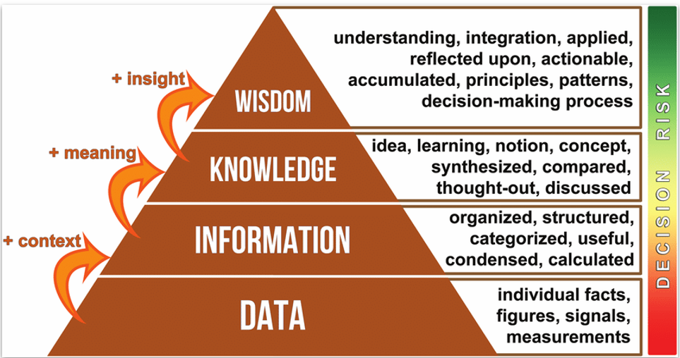
Wisdom is not just cooking biryani, but deciding when and how to serve it for maximum impact. |  | Serving spicy biryani to spice-lovers, and mild version to kids. Cooking extra portions for a party. Making veg biryani for vegetarian guests.

Knowledge is knowing how to actually cook the biryani. You’ve done it before, learned from trial-and-error. |  | Knowing that “adding fried onions at the top enhances flavor” Or “don’t overcook rice – it’ll turn mushy”

When the ingredients are organized with quantities, steps, and timing, it becomes information — like a recipe |  | Boil rice for 10 mins, marinate chicken with curd and spices, layer rice and chicken..

Data is like the raw ingredients of biryani — they exist, but have no meaning on their own. |  | 1 kg rice 500g chicken 2 onions, 3 tomatoes, 5 green chilies 3 tsp garam masala, 1 cup curd

DIKW Level | Biryani Analogy
Data | Raw ingredients (rice, spices, chicken)
Information | Recipe (organized, step-by-step)
Knowledge | Cooking experience (knowing tricks, mistakes)
Wisdom | Serving right dish to right people at right time

