Bayes Theorem
 |  |  |  | Favorable | Total | Probability
 |  |  | P(Boy) | 45 | 97 | 0.46391752577
 |  |  | P(Girl) | 52 | 97 | 0.53608247423
 |  |  | P(Cricket) | 47 | 97 | 0.48453608247
 | Cricket | Other Games | P(Other Games) | 50 | 97 | 0.51546391753
Boy | 35 | 10 | P(Boy|Cricket) | 35 | 47 | 0.74468085106
Girl | 12 | 40 | P(Girl | Cricket) | 12 | 47 | 0.25531914894
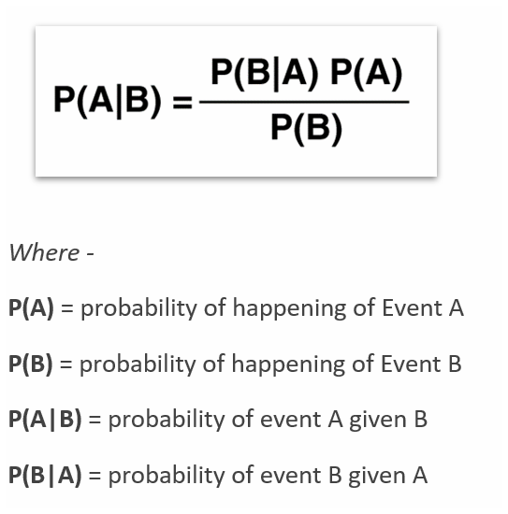
 |  |  | P(Cricket|Boy) | 35 | 45 | 0.77777777778

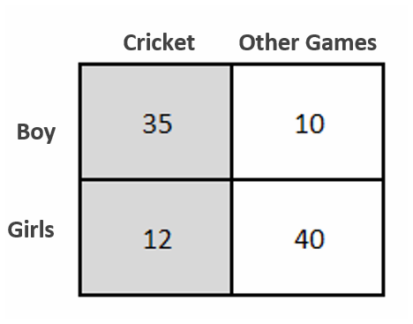

 |  |  |  |  |  | 0.74468085106

