Data VS Information


Data

Information

Data | Information
1 Kg Chicken | Pulao
1 Kg Rice | Chicken Curry
2 Litre Water | Shahi Tukda
Bread
Khoya

DIKW
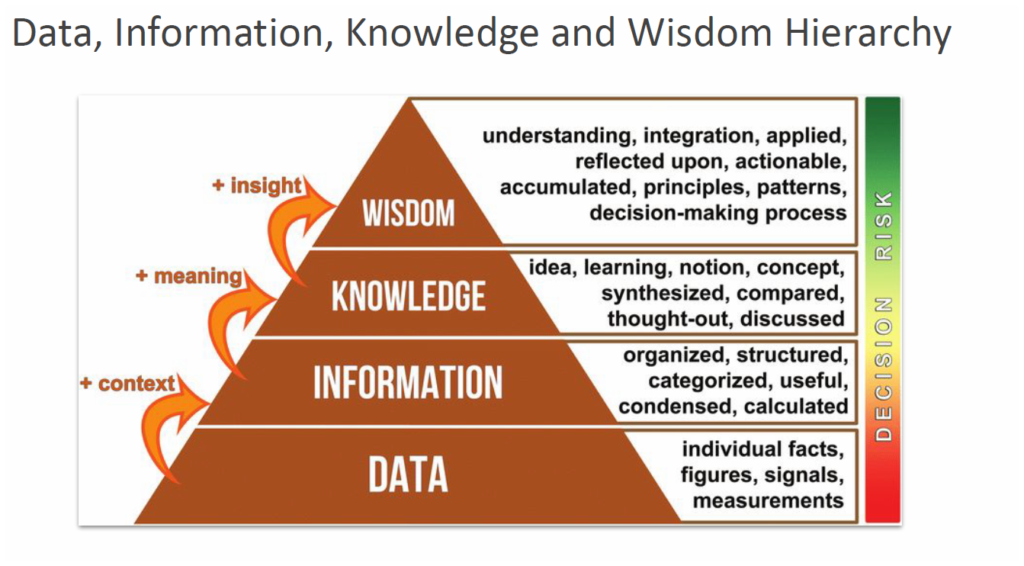

Adding saffron for aroma, adjusting spice level based on guests, or preparing extra plates during weekends because of higher demand. This is applying knowledge smartly — just like using insights from data to make better decisions. | Wisdom (Experience-based improvement / decision-making)

Knowing why chicken is marinated (to enhance flavor), why dum is important (to blend aroma), why onions are browned (for sweetness). This is like interpreting data and finding meaning. | Knowledge (Understanding cooking process & patterns)

Wash rice, marinate chicken with spices, fry onions, layer rice & chicken, slow cook (“dum”). The recipe is like information — it gives context to the raw ingredients. | Information (Organized recipe / structured steps)

Rice: 2 kg Chicken: 1.5 kg Spices: 50 g Onions: 500 g These are just raw ingredients, like raw data. | Data (Raw facts / ingredients)

Data → Raw ingredients (Rice, Chicken, Spices, Onions).
Information → Recipe steps (wash, marinate, fry, layer, cook).
Knowledge → Why each step matters (marination, dum cooking, browning onions).
Wisdom → Chef’s smart decisions (add saffron, adjust spice, cook extra on weekends

