Intro
 | Prishu | Kind of Interpretation of the data
 |  | Mean
 |  | Median
 |  | Mode

 | Srikant | sir,actually i dont know about statistics,how much percentage will statistics helpful in IT field?

 | Rohan |  | Sohan

Farmer
 | City |  | Village
35 | Buseiness Analyst |  | 35 | Farmer
40
 | Chaupal

 | July |  | It will rain tomorrow
 |  |  | It is going to rain tomorrow

 | Collected Data

 | 40 Years
 | Dashboard

 | Hypotesis Testing
 | Algo
 | Rohan |  | Sohan
 | There is a 45 % chance That it will rain Tomorrow |  | It will rain tomorrow
 |  |  | It is going to rain tomorrow

 | Quatified
 | Data Driven |  | Exp Of Last 40 Years

 |  | Walmart
 |  |  |  | Manager
 |  | Dashboard |  | Board Member

 |  | Marketing
 | We Got ROI 10% from Facebook |  | We should invest in Youtube
 | 15% Instagram
 | 25% from Google Ads
 | 20% YouTube

 | Descriptive | Try to understand the Hostorical Data
 | Inferential | What will | Predict

 | Descriptive
 |  | Central Tendency | Mean
 |  |  | Median
 |  |  | Mode
 |  | Spread | Range
 |  |  | STD
 |  |  | Variance
 |  |  | IQR
 |  | Shape | Skewness
 |  |  | Kurtosis
 |  | Normal Diustribution
 |  | Probability
 |  | Set Theory
 |  | Permutation
 |  | Combination
 | Inferential | Random Variable
 |  | Poisson Distribution
 |  | Central Limit Theorm
 |  | Hypothesis Testing
 |  |  | Ztest
 |  |  | P Test
 |  |  | T Test
 |  |  | Anova

 |  | Linear Regression
 |  | Logistic Regression
 |  | Random Forest

 | Data | Raw Facts & Figures
 | Information | Organised

 |  | Data | Information
 |  | Aniket | Aniket is Data Science Student in Acciojob, Siraj is One of the Instructor at Acciojob.
 |  | Siraj
 |  | Acciojob | Aniket will become Data Engineer
 |  | Data Science

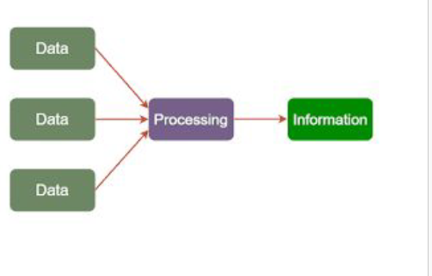

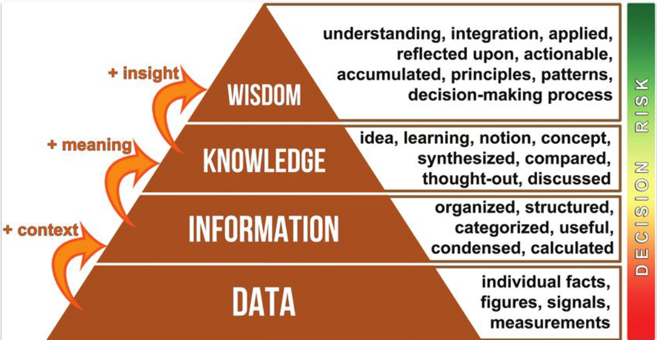
 |  |  |  | You will not make biryani next time

 |  |  |  | Rice was over cooked, This Spice is missing, Too much water

 |  |  |  | Chicken , Chicken Dum Biryani, Hyderabadi, Moradabadi, Kolkata Biryani

 |  |  |  | Rice Chicken Spices Water Gas Vegetables Utensil

 | Population
 | Sample

 |  | Outliers

