IQR
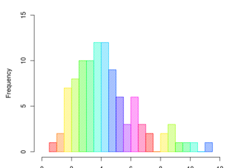
 |  |  |  |  |  | Arranging the Data
 |  |  |  |  |  | Then divide data in 4 parts

172 | Min | 0 | 152
212 | FQ | 1 | 175
175 | Median | 2 | 192.5
227 | TQ | 3 | 219.25
220 | Max | 4 | 243
192
156 | IQR | Q3-Q1 | 44.25
162
217
152
223
231
206
188
173
216 |  |  |  | LW | 108.625
163 | Skew |  |  | UG | 285.625
155 | 0.058560833173
189
178
200
198
215
175
191
231
161
225 | Normul Curve
159
182
220
172 | Mean | 195.48
212 | SD | 25.20
175
200
179
175
223
193
181
243
215 |  |  |  |  |  | 195.48
240 |  |  |  |  | 170.28 |  | 220.68
176
192 |  |  |  | 145.07961905 |  |  |  | 245.88038095
166
194 |  |  | 119.87942857 |  |  |  |  |  | 271.08057143
220
223
231

Sheet2
