Sheet1
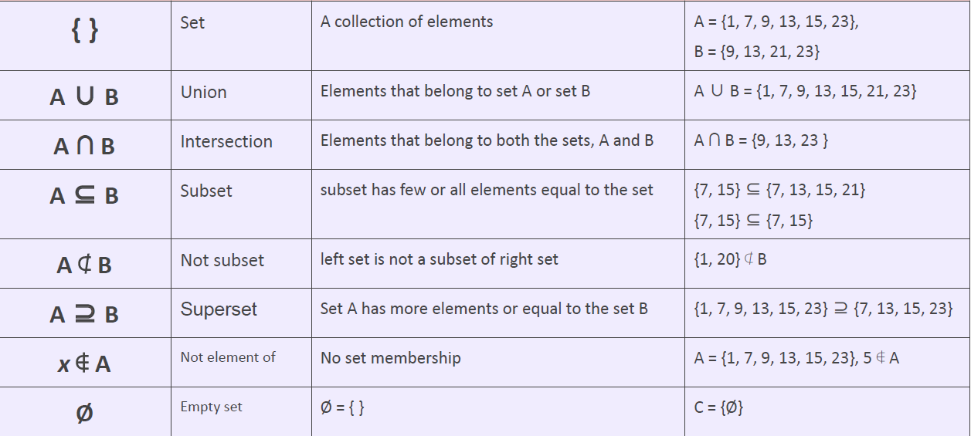

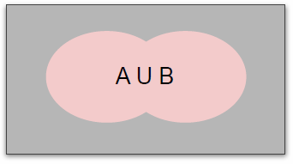

Head | 0.5
Tail | 0.5
 | 1

Dice | 1 | 0.16666666667
 | 2 | 0.16666666667
 | 3 | 0.16666666667
 | 4 | 0.16666666667
 | 5 | 0.16666666667
 | 6 | 0.16666666667
 |  | 1

Sheet2
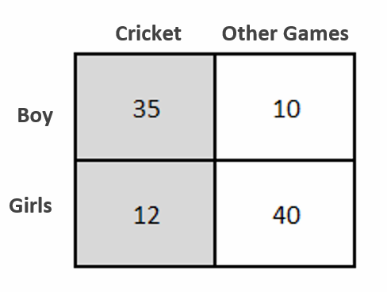
 | FO | SampleSpace | P
P(Boy) | 45 | 97 | 0.46391752577
P(Girl) | 52 | 97 | 0.53608247423
P(Cricket) | 47 | 97 | 0.48453608247
P(Other Games) | 50 | 97 | 0.51546391753
P(Boy|Cricket) | 35 | 47 | 0.74468085106
P(Girl| Cricket) | 12 | 47 | 0.25531914894
P(Cricket|Boy) | 35 | 45 | 0.77777777778
P(Cricket|Girl) | 12 | 52 | 0.23076923077

LHS | 0.74468085106

RHS | 0.74468085106

Sheet3
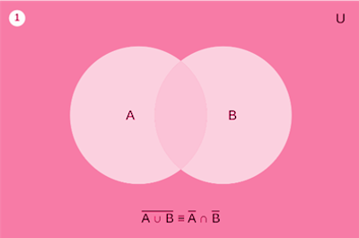

Word Problem:

Consider two classrooms at a school:

Classroom A contains all the students who are enrolled in Mathematics.
Classroom B contains all the students who are enrolled in Science.

The complement of Classroom A, ACA^CAC, represents all the students who are not enrolled in Mathematics.
The complement of Classroom B, BCB^CBC, represents all the students who are not enrolled in Science.

A teacher is curious about the students who are neither enrolled in Mathematics nor Science. The teacher first considers all the students who are not in either of the two classrooms, i.e., the complement of the union of Classroom A and Classroom B. Then, the teacher also considers the students who are not in Mathematics and also not in Science, which is the intersection of ACA^CAC and BCB^CBC.

