Data Vs Info
Data |  | Which holds storage | Unorganised |  | Siraj | Acciojob | Descriptive Statistics
 |  | Raw material for Info |  |  | Arpit | Data Science | Data Scientist
 |  |  |  |  | Ankit | Excel
 | Raw Fact and Figures

Information |  | Collection of data | Organised |  | Siraj is a Instructor at Acciojob. Arpit and Ankit are students of Data Science. Siraj is teaching Excel and Descriptive Statistics to them which will help arpit and ankit become Data Scientist.
 |  | Meaningful

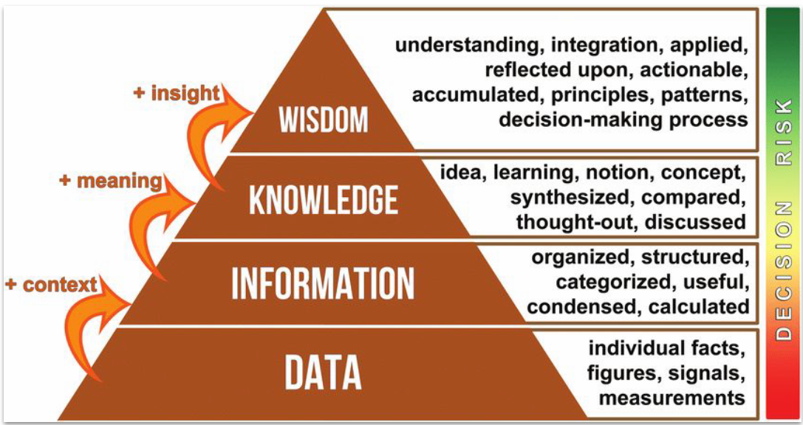

 |  |  |  |  | Using knowledge and insights to make actionable and informed decisions.
 |  |  |  |  | Launch a promotional campaign for Product A every Monday to maximize sales

 |  |  |  |  | Synthesizing information to form ideas, relationships, and understanding.
 |  |  |  | Its not Lucknowi | Based on past trends, Product A sales increase by 30% during promotional campaigns
 |  |  |  | Dum Biryani
 |  |  |  | Biryani | When data is organized and given context, it becomes meaningful
 |  |  |  | Hyderabadi Lucknowi Calcutta kolkata Andra Nati | 100 customers visited the store today, and 20% purchased Product A

 |  |  |  | Rice Chicken Utensils Gas Stove Cylinder Salt Spices Water | Raw facts, figures, and measurements with no context.
 |  |  |  |  | 100 customers visited the store today

 |  |  |  |  | Data: A hospital records patient vitals, such as blood pressure, temperature, and heart rate.
 |  |  |  |  | Information: Organizing this data shows that a patient's blood pressure is consistently high.
 |  |  |  |  | Knowledge: Comparing this information with the patient’s medical history indicates a risk of hypertension.
 |  |  |  |  | Wisdom: The doctor prescribes medication and suggests lifestyle changes to manage the condition.

 | Five Examples

