Sheet2
x | y | x | y
1 | 2 | 1 | 12
2 | 4 | 2 | 10
3 | 6 | 3 | 8
4 | 8 | 4 | 6
5 | 10 | 5 | 4
6 | 12 | 6 | 2

x | y
1 | 2
2 | 4
3 | 9
4 | 8
5 | 10
6 | 14
7 | 14 |  |  | 0.97516988637
8 | 16
9 | 21
10 | 20
11 | 22
12 | 30

Sheet4
Coin | 2 | Head | Tail
Dice | 6 | 1 | 2 | 3 | 4 | 5 | 6
Card | 52 | Spade | Black | 13 | `2-10 | K Q J A
 |  | Club | Black | 13 | `2-10 | K Q J A
 |  | Heart | Red | 13 | `2-10 | K Q J A
 |  | Diamond | Red | 13 | `2-10 | K Q J A

Coin | 1 | 1 | 2
 |  | 0.5

 | 2 | 4
 | 3
 | 4

 |  |  |  |  |  | 1024

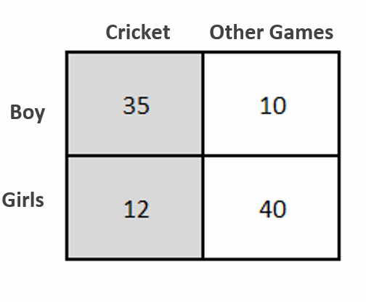

 | FO | Sample Space | Probability
P(Boy) | 45 | 97 | 0.46391752577
P(Girl) | 52 | 97 | 0.53608247423
P(Cricket) | 47 | 97 | 0.48453608247
P(Other Games) | 50 | 97 | 0.51546391753
P(Cricket| Boy) | 35 | 45 | 0.77777777778
P(Cricket|Girl) | 12 | 52 | 0.23076923077
P(Girl | Cricket) | 12 | 47 | 0.25531914894
 |  |  | 0.25531914894

