Data Vs Information
Data | Arpit
 | Arshul |  | Arpit,Arshul, hardik, Venu and shubham are students of Acciojob. They are learning data science from here. Siraj is teaching excel to them. After completing the course they can become Analyst, data engineer or data scientist.
Information | Siraj
 | Hardik
 | Venu
 | Subham
 | Acciojob
 | Excel
 | Data Science
 | Data Engineer
 | Data Scientist

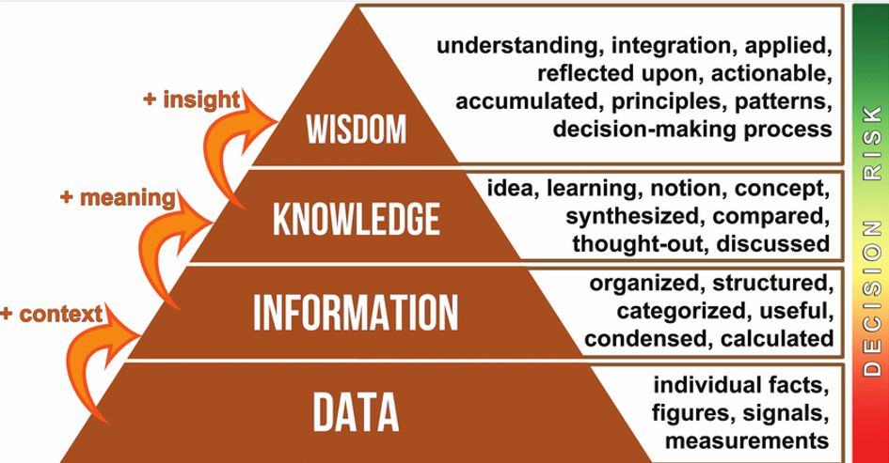
 |  |  |  |  |  |  | Here are real-life examples for each section of the Data-Information-Knowledge-Wisdom (DIKW) Pyramid:

 |  | You will not make biryani |  |  |  |  | 1. Data (Raw Facts)

 |  |  |  |  |  |  | Example: A fitness tracker records numbers like 10,000 steps, 120 bpm heart rate, and 2,000 calories burned throughout the day.
 |  |  |  |  |  |  | These are just individual facts without context.

 |  | Rice is cooked |  | Chicken is hard |  |  | 2. Information (Processed Data with Context)
 |  | Too masala |  | This is not dum biryani

 |  |  |  |  |  |  | Example: The fitness app processes the recorded data and tells you:
 | Biryani | Hyderabadi | Kolkata | Morabadi | Nati |  | You walked 10,000 steps today, which meets the daily activity goal.
 |  | Lucknowi | Dum | Ambur | Mehfil |  | Your heart rate peaked at 120 bpm during exercise, indicating a good workout.
 |  |  |  |  |  |  | Now, the data is structured and categorized to provide useful insights.

 | Chicken | Rice | Woods | Utensil | Spices | Water | 3. Knowledge (Applying Information to Understand Concepts)

 |  |  |  |  |  |  | Example: Based on the fitness app’s information, you learn:
 |  |  |  |  |  |  | Walking 10,000 steps a day helps maintain good cardiovascular health.
 |  |  |  |  |  |  | A heart rate of 120 bpm during workouts is ideal for fat burning.
 |  |  |  |  |  |  | This step involves comparing, analyzing, and synthesizing information to form concepts.

 |  |  |  |  |  |  | 4. Wisdom (Using Knowledge for Decision Making)

 |  |  |  |  |  |  | Example: You apply the knowledge to make an informed decision:
 |  |  |  |  |  |  | You decide to walk 10,000 steps daily and maintain a 120 bpm heart rate during workouts to stay fit.
 |  |  |  |  |  |  | You adjust your diet to support your fitness goals based on calorie-burning patterns.
 |  |  |  |  |  |  | Here, you are making informed, strategic decisions based on accumulated knowledge.

 |  |  |  |  |  |  | This pyramid helps in understanding how raw data can be transformed into meaningful actions through context, analysis, and decision-making.

 |  |  |  |  |  |  | Let's break down the Data-Information-Knowledge-Wisdom (DIKW) Pyramid using biryani as an example:

 |  |  |  |  |  |  | 1. Data (Raw Facts)

 |  |  |  |  |  |  | Example: You have a list of raw ingredients:
 |  |  |  |  |  |  | Rice, chicken, spices, onions, tomatoes, yogurt, saffron, etc.
 |  |  |  |  |  |  | These are just individual facts (ingredients) without any context.

 |  |  |  |  |  |  | 2. Information (Processed Data with Context)

 |  |  |  |  |  |  | Example: You now have a recipe that organizes the ingredients:
 |  |  |  |  |  |  | Step 1: Soak rice
 |  |  |  |  |  |  | Step 2: Marinate chicken
 |  |  |  |  |  |  | Step 3: Cook onions and spices
 |  |  |  |  |  |  | Step 4: Layer everything and let it cook on dum
 |  |  |  |  |  |  | Now, the raw data (ingredients) is structured into meaningful steps.

 |  |  |  |  |  |  | 3. Knowledge (Understanding Concepts & Patterns)

 |  |  |  |  |  |  | Example: After cooking biryani a few times, you understand:
 |  |  |  |  |  |  | Marinating chicken longer makes it more flavorful.
 |  |  |  |  |  |  | Cooking rice 70% before layering prevents it from becoming mushy.
 |  |  |  |  |  |  | Using saffron in warm milk enhances the aroma.
 |  |  |  |  |  |  | You now know how to cook biryani properly by analyzing what works best.

 |  |  |  |  |  |  | 4. Wisdom (Making Smart Decisions)

 |  |  |  |  |  |  | Example: You use your experience to innovate and make decisions:
 |  |  |  |  |  |  | You decide to use basmati rice instead of regular rice for better texture.
 |  |  |  |  |  |  | You adjust spices based on guests' preferences (mild or spicy biryani).
 |  |  |  |  |  |  | You experiment with variations like Hyderabadi vs. Lucknowi biryani.
 |  |  |  |  |  |  | Here, you apply your knowledge creatively and strategically to make the best biryani.

 |  |  |  |  |  |  | This shows how raw data (ingredients) transforms into a delicious, well-balanced dish through understanding and decision-making. 🍛🔥

