Intro
Maths
Mean
Median
Mode
Variance
Standard Deviation
Min
Max
Large
Small
Rank

 | Sohan |  | Rohan

Village
5 Yr
Farmer
City | Moved to City

At Age 50
Chaupal

Weather Changed
June

Government Website
Weather
Last 50 years
Dashbaord
Trained model
 | There is possibility of 70% that it will rain today and tomorrow

Data | Unprocessed facts and figures | Siraj
 |  | Raj
 |  | Tanuja
 |  | Acciojob
 |  | Data Science
 |  | Data Analyst
 |  | Data Engineer
 |  | Excel
 |  | Python

Information |  | Raj and Tanuja enrolled for Data Science Course in Acciojob.
 |  | Siraj teach python and excel in Acciojob.
 |  | After completing the course Raj and Tanuja can become Data engineer or Data Analyst.
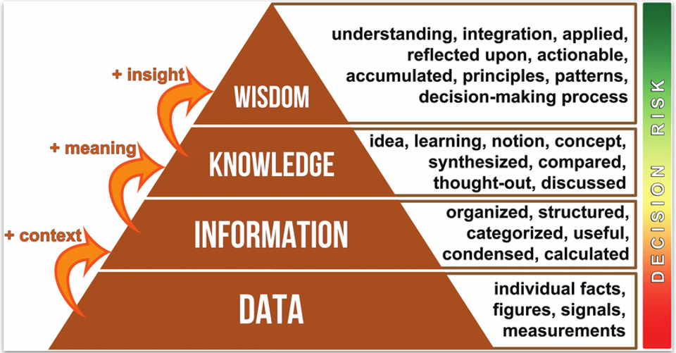
 |  |  | Less Water Company Rice

 |  |  | Hyderabdi

 |  |  |  | Hyderabadi Biryani
 |  |  | Lucknowi , Hyderabadi, Ambur, moradabadi,Kolkata

 |  |  |  | Biryani
 |  |  | rice chicken utensil spices water salt gas stove

 | Meaning | Biryani Example 🍽️
Data | Raw facts or measurements | Rice quantity: 250g, Chicken: 200g, Spices: 15g
Information | Organized and structured data (context added) | 250g rice and 200g chicken are required per serving of chicken biryani.
Knowledge | Understanding the information, synthesizing concepts (meaning added) | Increasing spices by 10% enhances flavor; basmati rice cooks better when soaked for 20 mins.
Wisdom | Insights and applied understanding (insight added) | Slow-cooking biryani at low flame improves taste, aroma, and ensures tender meat, leading to better customer satisfaction and loyalty.

Level | Meaning | EDA Example 📈
Data | Raw facts or figures | Excel sheet with columns: CustomerID, Age, Income, PurchaseAmount, ProductCategory.
Information | Structured data with context | Average PurchaseAmount by age groups (e.g., 20-30, 31-40).
Knowledge | Insights and patterns discovered through analysis | Customers aged 25-35 tend to purchase electronics more frequently and have a higher average purchase amount.
Wisdom | Actionable insights guiding business decisions | Develop targeted marketing campaigns and offer promotions for electronics tailored specifically to customers aged 25-35 to increase sales and customer engagement.

