Probability
0 | 1

Tomorrow it will rain
Tomorrow there is chance of 70% that it will rain

Experiment | Tossing a coin

Total Outcome / Sample Space | Head
 | Tail

Event | Getting Head

Favorable Outcome | Head

P(Getting Head) | Favorable / Sample Space | 0.5

Experiment | Toss coin two times

Sample Space | HH | TH
 | HT | TT

Event | Getting 2 head

P(Getting two head) | 1 | 0.25
 | 4

Event | Getting atleast one head

P(Getting atleast one head) | 3 | 0.75
 | 4

Event | Getting atmost one head | F | TH | HT | TT |  | 0.75
 |  | S

Experiment | Tossing a Coin 5 times |  | M |  | m*n |  | 2 | 2*2*2*2*2*2
 |  |  | N |  |  |  | 2
 |  |  |  |  |  |  | 2
 |  |  |  |  |  |  | 2
 |  |  |  |  |  |  | 2
 |  |  |  |  |  |  | 2

Dice

Roll a dice | 1
 | 2
 | 3
 | 4
 | 5
 | 6

P(Getting 2) | 0.16666666667
P(Getting even No) | 0.5
P(Getting Even No less then 4) | 2 | 0.16666666667

Rolling 2 Dice |  | 1 | 2 | 3 | 4 | 5 | 6
 | 1 | 2 | 3 | 4 | 5 | 6 | 7
 | 2 | 3 | 4 | 5 | 6 | 7 | 8
 | 3 | 4 | 5 | 6 | 7 | 8 | 9
 | 4 | 5 | 6 | 7 | 8 | 9 | 10
 | 5 | 6 | 7 | 8 | 9 | 10 | 11
 | 6 | 7 | 8 | 9 | 10 | 11 | 12

 | P(Getting Sum Greater then 10) | 3 | 0.083333333333
 |  | 36

 | P(Getting Sum as Even no and less than 8) | 9 | 0.25
 |  | 36

 | P(sum 5 and 8) | 0 | 0
 |  | 36

 | P(Sum 5 or 8) | 9 | 0.25
 |  | 36

Card Experiments
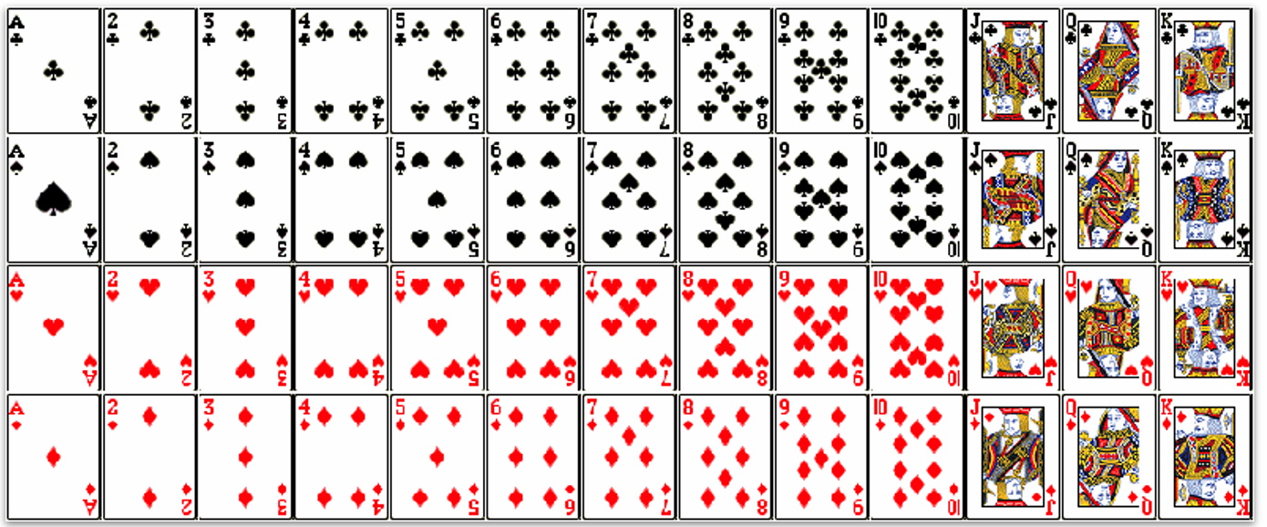

 |  |  |  |  |  |  |  |  | Total | 52 | Black | 26 | Spade | 13
 |  |  |  |  |  |  |  |  |  |  |  |  | Club | 13
 |  |  |  |  |  |  |  |  |  |  | Red | 26 | Heart | 13
 |  |  |  |  |  |  |  |  |  |  |  |  | Diamond | 13

 |  |  |  |  |  |  |  |  | Face Cards | Jack | 4
 |  |  |  |  |  |  |  |  |  | Queen | 4
 |  |  |  |  |  |  |  |  |  | King | 4

 |  |  |  |  |  |  |  |  | Number cards | 36

 |  |  |  |  |  |  |  |  | Ace Card | 4

 |  |  |  |  |  |  |  |  | Red Card | 26 | 0.5
 |  |  |  |  |  |  |  |  |  | 52

 |  |  |  |  |  |  |  |  | Red face Card | 6 | 0.11538461538 |  | Red
 |  |  |  |  |  |  |  |  |  | 52 |  |  | Face Card

 |  |  |  |  |  |  |  |  | Red Jack | 2 | 0.038461538462 |  | Red
 |  |  |  |  |  |  |  |  |  | 52 |  |  | Jack

Conditional Probability
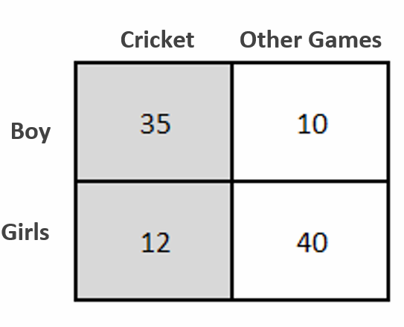
 | Cricket | Other Games
Boy | 35 | 10
Girls | 12 | 40

 | F | T | P
P(Boy) | 45 | 97 | 0.46391752577 | LHS | P(Cricket | Boy) | 0.77777777778
P(Girl) | 52 | 97 | 0.53608247423
P(Cricket) | 47 | 97 | 0.48453608247
P(Other Games) | 50 | 97 | 0.51546391753 | RHS | P(Boy| Cricket) | x | P(Cricket) | 0.77777777778
P(Boy| Cricket) | 35 | 47 | 0.74468085106 |  | P(Boy)
P(Girl | Cricket) | 12 | 47 | 0.25531914894
P(Boy | Other Games) | 10 | 50 | 0.2
P(Girl | Other Games) | 40 | 50 | 0.8
P(Cricket | Boy) | 35 | 45 | 0.77777777778
P(Cricket | Girl) | 12 | 52 | 0.23076923077

