Intro
Large amount of data
Collection of data
Numerical Data
Organisation of the data
Analysis of the data

Data | Information

Rahul | Rahul and Arshul is learning Data science from Acciojob.
Arshul | Once they complete all module including Statistics which is taught by Siraj.
Siraj | They can start their career in Data Science as Data Analyst.
Acciojob
Data Science
Statistics
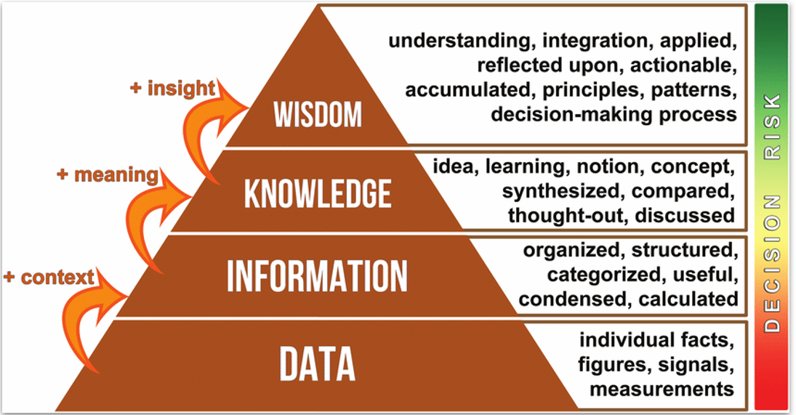
Data Anlayst
 |  | Concept | Example
 |  | You are making smart decisions — you have the experience and intuition to create amazing Biryani without even needing a fixed recipe. You move from "cook" to "chef"! 👨‍🍳👩‍🍳 | You can adapt the recipe if ingredients are missing (e.g., no yogurt? Add lemon juice). You create your own biryani variations based on guest preferences (less spicy, more saffron aroma). You decide when to tweak cooking time based on rice quality or chicken tenderness.

 |  | You’re not just blindly following a recipe — you understand why each step is important and how small changes affect the outcome. | You understand why onions must be browned properly (for flavor). You know different types of biryani: Hyderabadi, Lucknowi, Kolkata styles. You realize how marination time affects taste and tenderness.

 |  | You have organized the ingredients and structured them into steps — now you know how to prepare Biryani. | List of ingredients needed for chicken biryani Cooking steps: Marinate chicken, Fry onions,Cook rice separately,Layer rice and chicken together

 |  | You only have raw, unorganized facts. No relationship between them yet. It’s just "ingredients" — not a recipe or dish! | 1 kg rice, 500g chicken, 5 onions, 3 tomatoes,2 tsp salt, 1 tsp turmeric, 3 cloves, 2 cups water

 | 🎯 Summary Table (Quick View):

 | Stage | Biryani Example | Key Action
 | Data | List of raw ingredients | Gathering facts
 | Information | Recipe steps structured | Organizing facts
 | Knowledge | Understanding techniques and reasons | Applying meaning
 | Wisdom | Innovating and adapting Biryani | Making expert decisions

 | DIKW Stage | Meaning | Data Science Example | Key Activities
 | Data | Raw facts, unprocessed signals | - Customer purchase logs | - Data Collection
 |  |  | - Sensor temperature readings | - Data Logging
 |  |  | - Website clickstream logs | - Data Storage
 |  |  | - Raw images (e.g., MNIST dataset)
 |  |  | - Social media posts
 | Information | Organized, structured, categorized data | - Cleaned customer datasets | - Data Cleaning
 |  |  | - Summarized web traffic metrics | - Data Preprocessing
 |  |  | - Labelled image datasets | - Feature Engineering
 |  |  | - Normalized sales records
 | Knowledge | Patterns, relationships, and insights extracted | - Customers aged 25–35 buy premium products | - Exploratory Data Analysis (EDA)
 |  |  | - High bounce rate linked to mobile experience | - Data Visualization
 |  |  | - Sales spike during holiday seasons | - Statistical Analysis
 | Wisdom | Actionable decisions, strategic applications | - Targeted marketing for specific age groups | - Business Strategy Formulation
 |  |  | - Mobile site optimization initiatives | - Model Deployment
 |  |  | - Deploying ML models for sales prediction | - Decision-Making Support

 | DIKW Stage | Meaning | Marriage/Relationship Example | Key Activities
 | Data | Raw facts, basic details | - Name, age, city, education, job | - Collecting biodata
 |  |  | - Family background | - Initial introductions
 |  |  | - Likes/dislikes | - Family gathering information
 |  |  | - Hobbies listed
 | Information | Organized, structured understanding | - Matching educational qualifications | - Arranging formal meetings
 |  |  | - Common hobbies identified | - Background verification
 |  |  | - Family values compared | - Matchmaking discussions
 |  |  | - Professional stability analyzed
 | Knowledge | Deeper understanding, patterns, compatibility | - Understanding emotional maturity | - Multiple conversations
 |  |  | - Realizing shared goals (career, kids, travel) | - Meeting families
 |  |  | - Observing behavior in different situations | - Discussing future plans
 |  |  | - Assessing long-term compatibility | - Compatibility assessments
 | Wisdom | Final decision, application of insights | - Deciding to proceed with marriage
 |  |  | - Handling small differences wisely
 |  |  | - Making adjustments, compromises
 |  |  | - Building life strategies together

