Sheet2
 | Cricket | Other Games
Boy | 35 | 10
Girls | 12 | 40
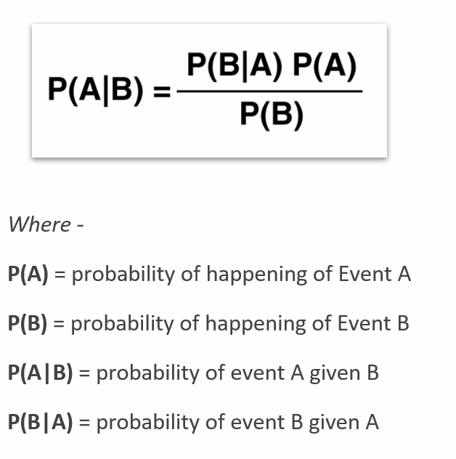
 | Favorable | Total | Probability
Boy | 45 | 97 | 0.46391752577
Girl | 52 | 97 | 0.53608247423
Cricket | 47 | 97 | 0.48453608247
Other Games | 50 | 97 | 0.51546391753
Boy | Cricket | 35 | 47 | 0.74468085106
Cricket | Boy | 35 | 45 | 0.77777777778
Girl | Cricket | 12 | 47 | 0.25531914894
Cricket | Girl | 12 | 52 | 0.23076923077

LHS |  | RHS
Cricket | Boy |  | Boy | Cricket | Cricket
 |  |  | Boy

0.77777777778 |  | 0.74468085106 | 0.48453608247
 |  |  | 0.46391752577

0.77777777778 |  | 0.77777777778

