Sheet5
Permutation | Arrangement
Combination | Selection

 | Permutations

 | Passwords using letters/numbers (order matters)
 | Seating arrangements in exams
 | Race positions (Gold, Silver, Bronze)

 | Combinations

 | Lottery numbers (6 out of 49, order doesn't matter)
 | Choosing team members from a group
 | Selecting questions for an exam

 | Concept | Formula | Order Matters? | Example
 | Permutation | nPr=n!(n−r)!^nP_r = \frac{n!}{(n - r)!} | ✅ Yes | Arranging 3 students in 2 seats
 | Combination | nCr=n!r!(n−r)!^nC_r = \frac{n!}{r!(n - r)!} | ❌ No | Choosing 2 students out of 3

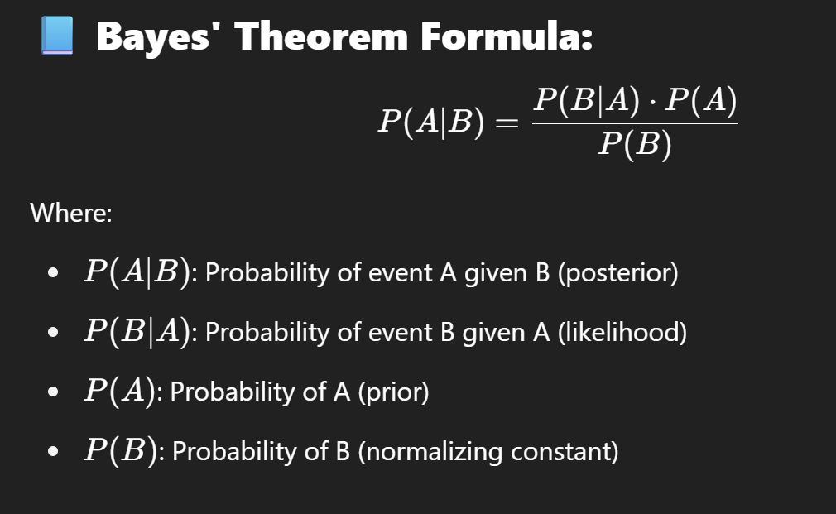
 | A disease affects 1% of the population. A test for the disease is 99% accurate (true positive) and has a 5% false positive rate.
 | If a person tests positive, what is the probability they actually have the disease?

 | P(Disease)=0.01
 | P(NoDisease)=0.99
 | P(Positive∣Disease)=0.99
 | P(Positive∣NoDisease)=0.05

 | P(Disease∣Positive)

 | 60% of emails are spam. The word “free” appears in:
 |  | P(Spam)=0.6
 | 40% of spam emails | P(NotSpam)=0.4
 | 10% of non-spam emails | P(Free∣Spam)=0.4
 |  | P(Free∣NotSpam)=0.1
 | What’s the probability an email is spam if it contains “free”?

