DIKW
Level | Example | Understanding | Risk of decision

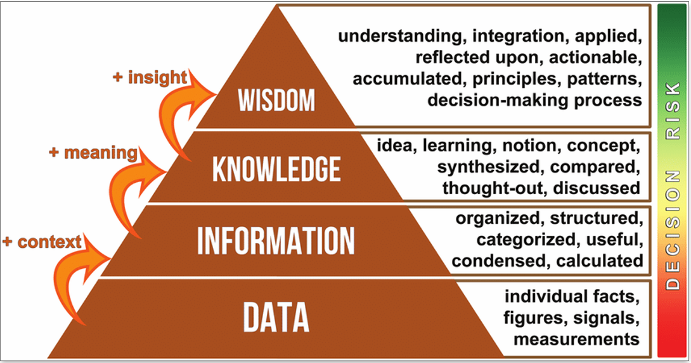
Wisdom (+ Insight) | For large gatherings, I’ll make dum biryani in layers to balance spices and aroma. Based on guest preferences, I’ll skip too much chili and serve raita. | This is where experience + judgment helps you make strategic decisions. You can adjust the dish to the context, people, or situation. | Minimal — You confidently improvise and deliver the best results, even under pressure.

Knowledge (+ Meaning) | If rice is soaked longer, it cooks faster. Marinating chicken improves flavor. | You’ve learned from experience or comparison. You understand why you do certain steps. | Low — You can adapt. If basmati rice is unavailable, you know how to use alternatives.

Information (+ Context) | These ingredients are used to cook biryani for 2 people Cooking time is 45 minutes; layering rice over chicken is essential. | Now the raw data is organized and meaningful. You understand it is about biryani and how things relate. | Moderate — You know what you're making, but you're still dependent on instructions or a recipe.

Data (Raw facts – No context) | 2 00g rice, 1 tsp salt, 300g chicken, 1 onion | These are just individual measurements or ingredients — no idea what dish to make or how to combine them. | Very high — you might spoil the food or mix the wrong items, because you lack structure or purpose.

Level | Biryani Example | Decision Risk
Data | Ingredients (e.g. rice 200g, salt 1 tsp) | 🔴 Very High
Information | Recipe (organized method of preparation) | 🟠 Moderate
Knowledge | Understanding cooking techniques and flavor balance | 🟢 Low
Wisdom | Adapting to context: taste, quantity, audience preferences | 🟢 Very Low

